DATA SCIENCE
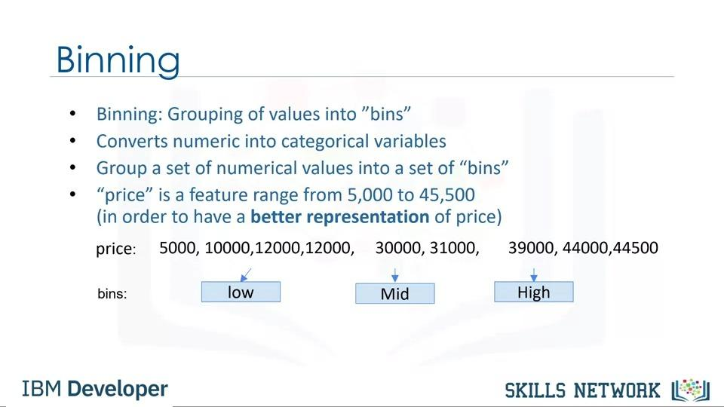
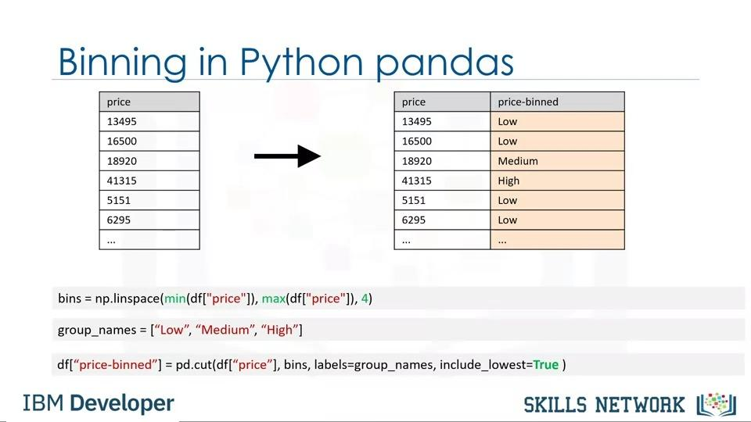
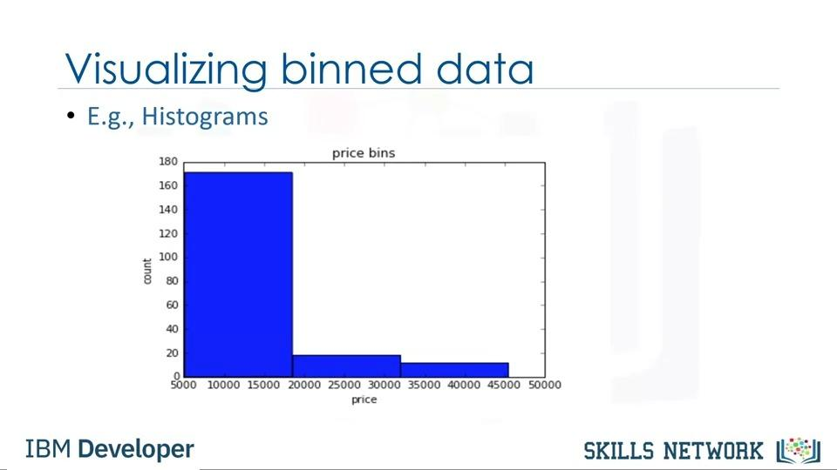
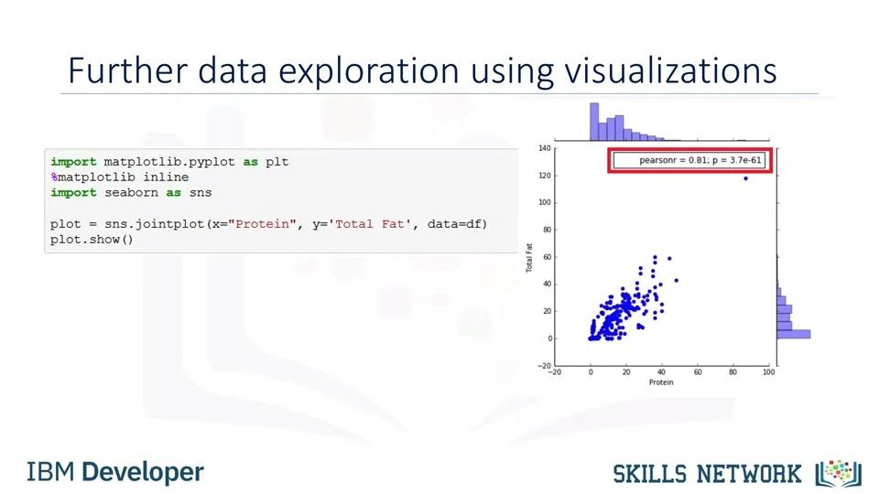
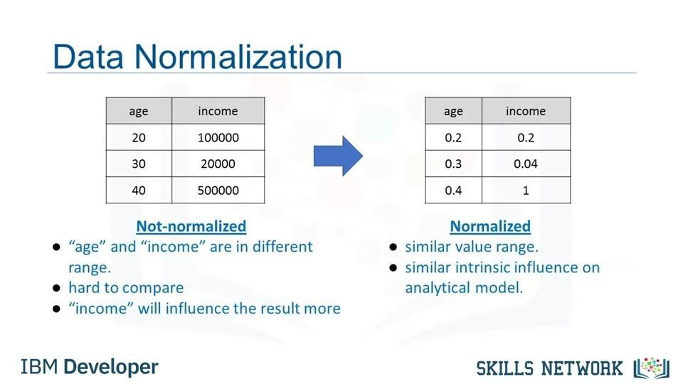
1. Concept and Definition
1. Definition- Data science is the study of large quantities of data, which can reveal insights that help organizations make strategic choices.
Data science is the field of exploring, manipulating, and analyzing data, and using data to answer questions or make recommendations.
2. History - The Thought of Data Science Came from Data Analysis. Data Analysis isn't new. Statisticians have been doing it for many years.
Even Normal people have been Doing it in excel for years. Then what is new? New is a vast Quantity of Data Generating Nowadays due to Wide Internet usage.
3. Sources- Some of the data sources Examples are - Log Files, Emails, Social media, Sales Data, Patient Data, Sports Performance Data, Sensor data, Security Cameras, And many more.
4. Computer Power - So Data is huge, and we need Computing power to Analyze this data. So lots of skills and software are developed in consideration of the usefulness of the field.
5. Understanding Organization - Data science helps Organizations to understand their Environment. Analyze Existing issues, Reveal previously Hidden opportunities.
6. Specific Problem - Many organizations use data Science to focus on a Specific Problem. It is important for data Scientists to clarify the question that the organization wants.
7. Ask questions - Good data scientists are curious people to ask questions and clarify business needs.
8. Data types - Data Scientists Can Analyze Structured and Unstructured Data from many Sources. Structure Data is more Like Tabular Data that we are familier with in microsoft Excel .
Unstructured data is mostly comming form web sometimes it can be text,video,audio etc. For unstructured data we have to structure it fast then analyze it.
9. Different Problems Different ways - Depending on the nature of the problem they can choose to analyze the data in Different Ways. Using multiple models
to explore the data reveals patterns, archetypes, and outliers.
10. Leading Organization to a new approach- Sometimes it will confirm what the organization suspects
but sometimes it will be a completely new knowledge leading the organization to a new approach.
11. Visualization - When data has revealed its insights the role of a data scientist is like a storyteller communicating the results to the project stakeholders.
Data Scientists can use powerful data visualization tools to help the stakeholders to understand the results and the recommended action to take.
12. Changing the way of work- Data scientist is changing the way we work, The way we use data, and our approach to the world.
Data Scientist Skills - Curiosity, Argumentative, Judgemental, Ability to tell a story, A specific field specialist.
13. Steps - Identify and clear understanding of the problem, Gather Data for analysis, Identify the right tools to use, Develop a Data Stratagy.
14. Case study - Case studies are also helpful in customizing a potential sollution, once this condition exist, available data is extracted, you can develop a machine learning model.
15. Simple vs Tough Algorithm - Using complicated machine learning algorithms does not always guarantee achieving a better performance. Occasionally, a simple algorithm such
as k-nearest neighbor can yield a satisfactory performance comparable to the one achieved using a complicated algorithm. It all depends on the data.
More sofisticated algorithm to be used for extract data.
16. Regression - If you have ever taken a cab ride u understand regression. The momment you sit on a cab there is a fixed amount there.
Lets Say $2. Wheather you tell the driver to move the car or you get off. You have to pay $2. That is a Constant.
Then when the cab moves in every 1 mitre or 100 mitre the fare increases by certain amount. So there is a relationship between distance
and the amount you should pay above that constant. Also if you are not moving just sitting in the car for rest.
Then also you have pay per munite cost for sitting above the constant. So, as the munites increases your fair increases,
as the distance increases your fair increases and you have already paid the constant.
This is what regression is regression tells you what the base fair/constant is. What is the relationship between time and the fare you have paid distance and fare you have paid.
17. Data scientist- I define a data scientist as Someone who finds solutions to problems by analyzing Big or small data using appropriate tools
and then tells stories to communicate her findings to the relevant stakeholders.
The typical work day for a Data Scientist varies depending on what type of project they are working on.
Many algorithms are used to bring out insights from data.
Accessing algorithms, tools, and data through the Cloud enables Data Scientists to stay up-to-date and collaborate easily.
18. Components - Most of the components of data science, such as probability, statistics, linear algebra, and programming, have been around for many decades
but now we have the computational capabilities to apply combine them and come up with new techniques and learning algorithms.
19. Big data - Big Data was started by Google when Google tried to figure out how how to solve their PageRank algorithm. Big data is is data that is large enough
and has enough volume and velocity that you cannot handle it with traditional data database systems.
20. Cloud - Central Storage System. It allows you to bypass the physical limitations of your personal computer and the systems you are using.
You are able to deploy capabilities of advanced machines that do not necessarily have to be your machines.
2. Cloud
1. Central Storage System. It allows you to bypass the physical limitations of your personal computer and the systems you are using.
You are able to deploy capabilities of advanced machines that do not necessarily have to be your machines.
2. Cloud allows you not just to store large amounts of data on servers somewhere in California or in Nevada, but it also allows you to deploy very advanced computing algorithms
and the ability to do high-performance computing using machines that are not yours.
3. Think of it as you have some information, you can't store it, so you send it to storage space, let's call it Cloud, and the algorithms that you need to use, you don't have them with you.
4. But then on the Cloud, you have those algorithms available. So What you do is you deploy those algorithms on
very large datasets and you're able to do it even though your own systems, your own machines, your own computing environments were not allowing you to do so.
5. The other thing that Cloud is beautiful for is that it allows multiple entities to work with same data at the same time.
You can be working with the same data that your colleagues in say Germany and another team in India and another team in Ghana,
they are collectively working and they're able to do so because the information, and the algorithms, and the tools, and the answers,
and the results, whatever they needed is available at a central place, which we call Cloud.
6. Using the Cloud enables you to get instant access to open source technologies like Apache Spark without the need to install and configure them locally.
7. Using the Cloud also gives you access to the most up-to-date tools and libraries without the worry of maintaining them and ensuring that they are up to date.
8. The Cloud is accessible from everywhere and in every time zone. You can use cloud-based technologies from your laptop, from your tablet,
and even from your phone, enabling collaboration more easily than ever before.
9. Multiple collaborators or teams can access the data simultaneously, working together on producing a solution. Some big tech companies offer Cloud platforms,
allowing you to become familiar with cloud-based technologies in a pre-built environment.
10. IBM offers the IBM Cloud, Amazon offers Amazon Web Services or AWS, and Google offers Google Cloud platform. IBM also provides Skills Network labs or SN labs to learners registered
at any of the learning portals on the IBM Developer Skills Network, where you have access to tools like Jupyter Notebooks and Spark clusters so you can create
your own data science project and develop solutions. With practice and familiarity, you will discover how the Cloud dramatically enhances productivity for data scientists.
3. Data Mining - Data science Process
1. Establishing Goals
1. Identify Key Questions That to be Answered
2. Expected level of acquiricy of the result.
3. Higher the expected Level of Acquiricy Higher the Project cost
4. Usefullness of the result
2. Selecting Data
1. The output largely depends upon the quality of data being used.
2. If data is not readily available plan new data collection initiatives, including surveys.
3. Availability of Data Also effecting Cost
3. Preprocessing Data
STEP 1 - Identify the irrelevant attributes and erroneous aspects of data to ensure integrity.
STEP 2 - Develop a formal method of dealing with missing data in advance and determine whether the data are missing randomly or systematically and its impact on results.
If observations or variables are missing randomly its impact is less, if data is missing systamaticaly This would lead to systematic biases in the analysis.
STEP 3 - After the relevant attributes of data have been retained, the next step is to determine the appropriate format in which data must be stored.
STEP 4 - Reduce the number of attributes needed to explain the phenomena by transforming observations or variables reduction algorithms such as Principal Component Analysis
without a significant loss in information. Often you need to transform variables from one type to another. Like Continious Variable to Categorial Variable.
This could help capture the non-linearities in the underlying behaviors.
4. Storing Data
1. Transformed data must be stored in a format that makes it conducive for data mining.
2. Data must be stored in a format that gives unrestricted and immediate read/write privileges to the data scientist.
3. During data mining, new variables are created, which are written back to the original database,
which is why the data storage scheme should facilitate efficiently reading from and writing to the database.
4. It is also important to store data on servers or storage media that keeps the data secure and also prevents the data mining algorithm
from unnecessarily searching for pieces of data scattered on different servers or storage media. Data safety and privacy should be a prime concern for storing data.
5. Mining Data - Finding Trends - Finding Sonething - Data Analysis
1. Data analysis using, including parametric and non-parametric methods, and machine-learning algorithms. A good starting point for data mining is data visualization.
2 . Multidimensional views of the data using the advanced graphing capabilities of data mining software are very helpful in developing a preliminary understanding of the trends hidden in the data set.
6. Evaluating Mining Results
1. In-sample forecast means testing the predictive capabilities of the models on observed data to see how effective and efficient the algorithms have been in reproducing data.
2. Evalution of results in the light of the Stakeholders feedback and use better and improved algorithms to improve the quality of results.
4. BIG DATA
1. In this digital world, everyone leaves a trace when we use internet connected devices. This data is huge its called Big Data.
2. Ernst and Young offers a definition: “Big Data refers to the dynamic, large and disparate volumes of data being created by people, tools, and machines.
3. It requires new, innovative, and scalable technology to collect, host, and analytically process the vast amount of data gathered in order to derive real-time business insights
that relate to consumers, risk, profit, performance, productivity management, and enhanced shareholder value.” Hadoop and other tools are used to handle Big Data.
4. There are certain elements of big data velocity, volume, variety, veracity, and value.
5. Velocity is the speed at which data accumulates. Data is being generated extremely fast, in a process that never stops. Near or real-time streaming, local, and cloud-based technologies
can process information very quickly. Every 60 seconds, hours of footage are uploaded to YouTube which is generating data. Think about how quickly data accumulates over hours, days, and years.
6. Volume is the scale of the data, or the increase in the amount of data stored. Drivers of volume are the increase in data sources, higher resolution sensors, and scalable infrastructure.
The world population is approximately seven billion people and the vast majority are now using digital devices; mobile phones, desktop and laptop computers, wearable devices, and so on.
These devices all generate, capture, and store data -- approximately 2.5 quintillion bytes every day. That's the equivalent of 10 million Blu-ray DVD's.
7. Variety is the diversity of the data. Structured data fits neatly into rows and columns, in relational databases while unstructured data is not organized in a pre-defined way,
like Tweets, blog posts, pictures, numbers, and video. Variety also reflects that data comes from different sources, machines, people, and processes, both internal and external to organizations.
Drivers are mobile technologies, social media, wearable technologies, geo technologies, video,and many, many more.
Let's think about the different types of data; text, pictures, film, sound, health data from wearable devices, and many different types of data from devices connected to the Internet of Things.
8. Veracity is the quality and origin of data, and its conformity to facts and accuracy.
Attributes include consistency, completeness, integrity, and ambiguity. Drivers include cost and the need for traceability. With the large amount of data available,
the debate rages on about the accuracy of data, in the digital age. Is the information real, or is it false?
80% of data is considered to be unstructured and we must devise ways to produce reliable and accurate insights. The data must be categorized, analyzed, and visualized.
10. Value is our ability and need to turn data into value. Value isn't just profit. It may have medical or social benefits, as well as customer, employee, or personal satisfaction.
The main reason that people invest time to understand.Big Data is to derive value from it.
Data Scientists today derive insights from Big Data and cope with the challenges that these massive data sets present.
The scale of the data being collected means that it’s not feasible to use conventional data analysis tools.
16. However, alternative tools that leverage distributed computing power can overcome this problem. Tools such as Apache Spark, Hadoop and its ecosystem provide ways to extract, load, analyze,
and process the data across distributed compute resources, providing new insights and knowledge. This gives organizations more ways to connect with their customers and enrich the services they offer.
17. So next time you strap on your smartwatch, unlock your smartphone, or track your workout, remember your data is starting a journey
that might take it all the way around the world, through big data analysis, and back to you.
5. HADOOP
1. Old Mapper and Reduce Process - Traditionally in computation and processing data we would bring the data to the computer.There will be a program and you'd bring the data into the program.
In a big data cluster is they took the data and they sliced it into pieces and they distributed each
and they replicated each piece or triplicated each piece and they would send it the pieces of these files to thousands of computers
first it was hundreds but then now it's thousands now it's tens of thousands. And then they would send the same program to all these computers in the cluster. And each computer would run the program
on its little piece of the file and send the results back.The results would then be sorted and those results would then be redistributed back to another process.
The first process is called a map or a mapper process and the second one was called a reduce process. One thing that's nice about these big data clusters is they scale linearly.
2. Hadoop - Yahoo hired someone named Doug Cutting who had been working on a clone or a copy of the Google big data architecture and now that's called Hadoop.
3. Machine learning Techniques - .We know components of data science probability ,statistics. algebra, linear algebra, programming and databases are been there for many years. But not in use.
But now have the computational capabilities to apply some new techniques - called machine learning.
4. Take total Data instead of Hypothesis - Now we can take really large data sets and instead of taking a sample and trying to test some hypothesis
we can take really, really large data sets and look for patterns. And so back off one level from hypothesis testing to finding patterns that maybe will generate hypotheses.
6. DIGITAL TRANSFORMATION EFFECTING BUSINESS
1. Digital Transformation affects business operations, updating existing processes and operations and creating new ones to harness the benefits of new technologies.This digital change integrates digital technology into all areas
of an organization resulting in fundamental changes to how it operates and delivers value to customers. It is an organizational and cultural change driven by Data Science, especially Big Data.
2. The availability of vast amounts of data, and the competitive advantage that analyzing it brings, has triggered transformations throughout many industries. Netflix moved from being a postal DVD lending system to one
of the world’s foremost video streaming providers, the Houston Rockets NBA team used data gathered by overhead cameras to analyze the most productive plays, and Lufthansa analyzed customer data to improve its service.
3. Organizations all around us are changing to their very core. Let’s take a look at an example, to see how Big Data can trigger a digital transformation, not just in one organization, but in an entire industry.
In 2018, the Houston Rockets, a National Basketball Association, or NBA team, raised their game using Big Data. The Rockets were one of four NBA teams to install a video tracking system which mined raw data from games.
They analyzed video tracking data to investigate which plays provided the best opportunities for high scores, and discovered something surprising. Data analysis revealed that the shots that provide the best opportunities
for high scores are two-point dunks from inside the two-point zone, and three-point shots from outside the three-point line, not long-range two-point shots from inside it.
This discovery entirely changed the way the team approached each game, increasing the number of three-point shots attempted. In the 2017-18 season, the Rockets made more three-point shots than any other team in NBA
history, and this was a major reason they won more games than any of their rivals. In basketball, Big Data changed the way teams try to win, transforming the approach to the game.
4. Digital transformation is not simply duplicating existing processes in digital form; the in-depth analysis of how the business operates helps organizations discover how to improve their processes and operations,
and harness the benefits of integrating data science into their workflows.
5. Most organizations realize that digital transformation will require fundamental changes to their approach towards data, employees, and customers, and it will affect their organizational culture.
6. Digital transformation impacts every aspect of the organization, so it is handled by decision makers at the very top levels to ensure success.
7. The support of the Chief Executive Officer is crucial to the digital transformation process, as is the support of the Chief Information Officer, and the emerging role of Chief Data.
But they also require support from the executives who control budgets, personnel decisions, and day-to-day priorities. This is a whole organization process. Everyone must support it for it to succeed.
There is no doubt dealing with all the issues that arise in this effort requires a new mindset, but Digital Transformation is the way to succeed now and in the future.
7. DATA SCIENCE TERMS
1. Big data - Refers to data sets that are so massive, so quickly built, and so varied that they deny traditional analysis methods such as you might perform with a relational database.
The concurrent development of enormous compute power in distributed networks and new tools and techniques for data analysis means that organizations now have the power to analyze these vast data sets. A new knowledge
and insights are becoming available to everyone that is Big data.
2. Data Mining - is the process of automatically searching and analyzing data, discovering previously unrevealed patterns. It involves preprocessing the data to prepare it and transforming it into an appropriate format.
Once this is done, insights and patterns are mined and extracted using various tools and techniques ranging from simple data visualization tools to machine learning and statistical models.
3. Machine learning - is a subset of AI that uses computer algorithms to analyze data and make intelligent decisions based on what it is learned without being explicitly programmed.
Machine learning algorithms are trained with large sets of data and they learn from examples. They do not follow rules-based algorithms.
Machine learning is what enables machines to solve problems on their own and make accurate predictions using the provided data.
4. Deep learning- is a specialized subset of machine learning that uses layered neural networks to simulate human decision-making. Deep learning algorithms can label and categorize information and identify patterns.
It is what enables AI systems to continuously learn on the job and improve the quality and accuracy of results by determining whether decisions were correct.
5. Neural networks- Take inspiration from biological neural networks, although they work quite a bit differently. A neural network in AI is a collection of small computing units called neurons that take incoming data
and learn to make decisions over time. Neural networks are often layer-deep and are the reason deep learning algorithms become more efficient as the data sets increase in volume,
as opposed to other machine learning algorithms that may come into scene as data increases. Neural networks have been around for decades,people decided not to develop them
becauseThey were abandoned for some time because they were computationally very expensive.
6. Data Science- It is the process and method for extracting knowledge and insights from large volumes of disparate data. It's an interdisciplinary field involving mathematics, statistical analysis, data visualization, machine learning, and more.
It is what makes it possible for us to appropriate information, see patterns, find meaning from large volumes of data and use it to make decisions that drive business. Data Science can use many of the AI techniques to derive insight from data.
7. Relation - Machine learning algorithms and even deep learning models to extract meaning and draw inferences from data. There is some interaction between AI and Data Science, but one is not a subset of the other.
Data Science is a broad term that encompasses the entire data processing methodology while AI includes everything that allows computers to learn how to solve problems and make intelligent decisions.
Both AI and Data Science can involve the use of big data. That is, significantly large volumes of data.
8. NURAL NETWORKS AND DEEP LEARNING
1. Computer Sciences attempt to mimic real, the neurons, ie how our brain actually functions. In nural networks we give inputs, it process and transform them and give another level of outputs.
So a neural network is trying to use computer, a computer program that will mimic how neurons, how our brains use neurons to process thing, neurons and synapses and building these complex networks that can be trained.
and you keep feeding inputs in to try to see what kinds of transformations will get to these outputs. And you keep doing this over, and over, and over again in a way that this network should converge.
2. Problem with neural networks was that even though the theory was there and they did work on small problems like recognizing handwritten digits and things like that.
They were computationally very intensive and so they went out of favor and people stopped teaching them probably 15 years ago.
And then all of a sudden we started hearing about deep learning. This is neural networks on steroids. What they did was they just had multiple layers of neural networks, and they use lots, and lots, and lots of computing power to solve them.
It needs a computer that has a Graphics Processing Unit in it, because it takes enormous amount of matrix and linear algebra calculations to actually do all of the mathematics that you need in neural networks.
But they've been they are now quite capable. We now have neural networks and deep learning that can recognize speech, can recognize people, you got there, getting your face recognized.
3. If you see a data center, there were just piles, and piles, and piles of cardboard boxes with a GPU on the side. Well, the GPU is a Graphics Processing Unit.
A Deep Learning application can needs two hundred servers each with Graphics Processing Units in it, and each Graphics Processing Unit, it has like the equivalent of 600 cores of processing.
So this is tens of thousands of processing cores that is for deep learning. Some of the first ones are speech recognition, It looks a little odd, because it's like this and it's that thick because it has a couple of Graphics Processing Units in it,
Slowly it recognizing speech, recognizing people, images, classifying images, almost all of the the traditional tasks that neural nets used to work on in little tiny things.
Now, they can do really, really, really large things. It will learn on its own, the difference between a cat and a dog, and different kinds of objects, it doesn't have to be taught.
4. Some linear algebra, a lot of this a lot of this stuff is based on matrix and linear algebra. So you need to know how to do use linear algebra do transformations.
5. Now, on the other hand, there's now lots of packages out there that will do deep learning and they'll do all the linear algebra for you, but you should have some idea of what is happening underneath.
Deep learning, particularly needs really high-powered computational power. So it's not something that you're going to go out and do on your notebook for it.
9. PREDECTIVE ANALYSIS/ RECOMENDATIONS
1. Recommender systems are certainly one of the major applications. Classifications, cluster analysis, trying to find some of the marketing questions from 20 years ago, market basket analysis,what goods tend to be bought together.
That was computationally a very difficult problem, I mean we're now doing that all the time with machine learning.
2. Predictive analytics is another area of machine learning. We're using new techniques to predict things that statisticians don't particularly like. Decision trees, Bayesian Analysis, naive Bayes, lots of different techniques.
3. There are many software packages like R now, you really have to understand how these techniques can be used and you don't have to know exactly how to do them but you have to understand what their meanings are.
Precision versus recall and the problems of over sampling and over fitting so you can, someone who knows a little about data science can apply these techniques but they really need to know,
maybe not the details of the technique as much as how, what the trade-offs are.
4. When you use Netflix, or you use Facebook, or a lot of different software services, the recommendations are served to you. Meaning, "Hey, you're a user, you've watched this show, so maybe you'd like to see this other show."
Right, or, you follow this person, so maybe you should follow this other person. It's actually kind of the same thing in fintech, right. Because you've looked at - if you're an investment professional, right,
and because you've looked at this investment idea, it might be really cool for you to look at this other investment idea, which is kind of similar. Right, it's a similar kind of asset, it's a similar kind of company.
Or it's a similar kind of technique for doing the investment. So, We can apply recommendations using machine learning throughout a lot of different parts of fintech.
5. Another one that people talk about, and is important especially on retail, in the retail aspects of banking and finance is fraud detection. Trying to determine whether a charge that comes a credit card is fraudulent
or not, in real time, is a machine learning problem. Right, you have to learn from all of the transactions that have happened previously and build a model,
and when the charge comes through you have to compute all this stuff and say, "Yeah we think that's ok," or "hmm, that's not so good.
10. REGRESSION ANALYSIS
1. Imagine if every successive generation born to tall parents were taller than their parents, in a matter of a couple of millennia, human beings would become uncomfortably tall for their own good, requiring even bigger furniture, cars, and planes.
2. Sir Frances Galton in 1886 studied the same question and landed upon a statistical technique we today know as regression models. Regression models, which have become the workhorse of statistical analysis.
3. In almost all empirical pursuits of research, either in the academic or professional fields, the use of regression models, or their variants, is ubiquitous. In medical science, regression models are being used to develop
more effective medicines, improve the methods for operations, and optimize resources for small and large hospitals.
In the business world, regression models are at the forefront of analyzing consumer behavior, firm productivity, and competitiveness of public and private­ sector entities.
4. I would like to introduce regression models by narrating a story about my Master's thesis. I believe that this story can help explain the utility of regression models.
In 1999, I finished my Masters' research on developing hedonic price models for residential real estate properties. It took me three years to complete the project involving 500,000 real estate transactions.
As I was getting ready for the defense, my wife generously offered to drive me to the university. While we were on our way, she asked, "Tell me, what have you found in your research?
". I was delighted to be finally asked to explain what I have been up to for the past three years. "Well, I have been studying the determinants of housing prices.
I have found that larger homes sell for more than smaller homes," I told my wife with a triumphant look on my face as I held the draft of the thesis in my hands.
We were approaching the on-ramp for a highway. As soon as I finished the sentence, my wife suddenly turned the car to the shoulder and applied brakes.
As the car stopped, she turned to me and said: "I can't believe that they are giving you a Master's degree for finding just that. I could have told you that larger homes sell for more than smaller homes."
At that very moment, I felt like a professor who taught at the department of obvious conclusions.?
How can I blame her for being shocked that what is commonly known about housing prices will earn me a Master's degree from a university of high repute
I requested my wife to resume driving so that I could take the next ten minutes to explain to her the intricacies of my research.
She gave me five minutes instead, thinking this may not require even that. I settled for five and spent the next minute collecting my thoughts.
I explained to her that my research has not just found the correlation between housing prices and the size of housing units, but I have also discovered the magnitude of those relationships.
For instance, I found that all else being equal, a term that I explain later in this chapter, an additional washroom adds more to the housing price than an additional bedroom.
Stated otherwise, the marginal increase in the price of a house is higher for an additional washroom than for an additional bedroom.
I found later that the real estate brokers in Toronto indeed appreciated this finding. I also explained to my wife that proximity to transport infrastructure, such as subways, resulted in higher housing prices.
For instance, houses situated closer to subways sold for more than did those situated farther away. However, houses near freeways or highways sold for less than others did.
Similarly, I also discovered that proximity to large shopping centers had a nonlinear impact on housing prices.
Houses located very close (less than 2.5 km) to the shopping centers sold for less than the rest.
However, houses located closer (less than 5 km, but more than 2.5 km) to the shopping center sold for more than did those located farther away.
I also found that the housing values in Toronto declined with distance from downtown.
As I explained my contributions to the study of housing markets, I noticed that my wife was mildly impressed.
The likely reason for her lukewarm reception was that my findings confirmed what we already knew from our everyday experience.
However, the real value added by the research rested in quantifying the magnitude of those relationships.
A whole host of questions could be put to regression analysis. Some examples of questions that regression (hedonic) models could address include:
How much more can a house sell for an additional bedroom?
What is the impact of lot size on housing price?
Do homes with brick exteriors sell for less than homes with stone exteriors?
How much does a finished basement contribute to the price of a housing unit?
Do houses located near high-voltage power lines sell for more or less than the rest?
11. How Data Science is saving lives
1. Using Data Science techniques to understand and analyze the large data sets available today has a huge impact on human lives. It can provide targeted information to help healthcare professionals give the best treatment
to patients, or help predict natural disasters so that people can prepare early, and much more besides.
2. In healthcare, data scientists use predictive analytics developed from data mining, data modeling, statistics, and machine learning to find the best options for patients. This type of predictive analytics examines
all known factors for a disease, including gene markers, associated conditions, and environmental factors.It then recommends appropriate tests, suitable trials, and any suggested treatments.
3. Every individual physician has their own store of knowledge gained from their studies, interests, and experiences. Data science systems that use predictive analytics ensure that all physicians can also access
the latest information about the disease, tests, and treatment plans, tailored to their specific patient. With this type of system, every physician has access to the same knowledge, and the best options can be consistently offered,
improving patient outcomes.
4. For example, a study by the Boston Consulting Group and AdvaMedDx, an industry association of medical diagnostics companies, examined the barriers to the adoption of potentially
lifesaving diagnostic tests for patients with a specific cancer and a particular gene marker.
The study discovered that the biggest factor in the patient being offered a specific test was the patient’s oncologist, who may or may not have known about the test and its relationship to the gene marker.
By providing extra information through data science tools, physicians can be made aware of the most helpful tests and treatments for a specific patient.
There are many opportunities to explore other ways to mine data, such as from electronic medical records for different types of medical research.
5. Schools such as the NorthShore University HealthSystem in suburban Chicago, a leader in the implementation of Electronic Medical Records (EMR) systems, now offer guidance on data mining.
It is the first healthcare provider in America to be awarded the highest level of EMR deployment. for both inpatient and outpatient care.
This remarkable effort has generated much-anonymized data available for innovative analytics research. Developing more sophisticated big data analytics capabilities helps healthcare organizations
move from basic descriptive analytics towards predictive insights.
6. In the field of Disaster Preparedness, the ability to save lives using Data Science tools has been under development for many years. The use of predictive analytics tools is improving and providing new data analysis in a multitude
of ways, alerting populations to danger faster than ever before. Large, high-quality data sets can be used to predict the occurrence of numerous types of natural disasters,
which can be the difference between life and death for thousands of people. Earthquakes, hurricanes & tornados, floods, and volcanic eruptions can be predicted with the help of data science.
7. Recent research at the University of Warwick in the UK used social media content such as photos and keywords to track the development of floods, hurricanes and other weather events.
When added to the information recorded by scientists and weather stations, this type of data can be used to improve the predictions for localised weather events.
8. Data science tools enable organizations to analyse vast quantities of data from widely different sources, and present that information in a way that allows data scientists to gain new knowledge, in some cases, saving hundreds of lives.
12. How Should Companies Get Started in Data Science?
At the end of the day, for businesses, they know one thing,that if they are unable to measure something, they are unable to improve it. And if they are unable to measure their costs, they are unable to reduce them.
If they're unable to measure their profits, they are unable to increase them. So the first thing a company has to do is to start recording information, start capturing data, data about costs. And the differentiate it by labor costs and material cost,
the cost to how much it cost to sell one product and the total cost. And then you look at the revenue, where's your revenue coming from? Is 80% of your revenue coming from 20% of your customers? Or is it the other way around?
So first thing first, start capturing data. Once you have data, then you can apply algorithms and analytics to it. So the first thing to do would be to capture data. If you're not capturing it, start capturing it. If you're capturing it, archive it.
Do not overwrite on your old data thinking you don't need it anymore. Data never gets old. Data is always relevant, even if it's 100 years old, 200 years old. It is relevant to you and and your firm and your success.
So keep data, capture it, archive it, make sure nothing goes to waste. Make sure there's a consistency. So someone 20 years later trying to understand, that data should be able to do so, so have proper documentation. Do it now.
Put the best practices for data archiving in place the moment you start a business. And if you're already in business and you haven't done it, do it now. Start measuring things.
Too many companies haven't measured things properly for a decade and, then they decide, they want data science. Data science inside a company is only going to be as valuable as the data collected.
Garbage in, garbage out is a rule in any sort of analysis. If something is not measured, it's very difficult to improve it or to change it. So the very first step is measurement.
If companies have existing data, then they should start looking at it and cleaning it. If they don't have existing data, then they need to start collecting it. I think to look for a team who love to work as a data scientist.
The first stop is to have employees, that they are interested on data science. because if you don't have interest in your company, you will not have engagement. Companies should remember, that it's key to have a team.
So it's not one data scientist, but a team of them, that each of them have strengths in different areas of data science.
13. Applications of Data Science
Data science and big data are making an undeniable impact on businesses, changing day-to-day operations, financial analytics, and especially interactions with customers. It's clear that businesses can gain enormous value from
the insights data science can provide. But sometimes it's hard to see exactly how. So let's look at some examples. In this era of big data, almost everyone generates masses of data every day, often without being aware of it.
This digital trace reveals the patterns of our online lives. If you have ever searched for or bought a product on a site like Amazon, you'll notice that it starts making recommendations related to your search.
This type of system known as a recommendation engine is a common application of data science. Companies like Amazon, Netflix, and Spotify use algorithms to make specific recommendations derived from customer preferences
and historical behavior. Personal assistants like Siri on Apple devices use data science to devise answers to the infinite number of questions end users may ask. Google watches your every move in the world, you're online shopping habits,
and your social media. Then it analyzes that data to create recommendations for restaurants, bars, shops, and other attractions based on the data collected from your device and your current location. Wearable devices like Fitbits, Apple watches,
and Android watches add information about your activity levels, sleep patterns, and heart rate to the data you generate. Now that we know how consumers generate data, let's take a look at how data science is impacting business.
In 2011, McKinsey & Company said that data science was going to become the key basis of competition. Supporting new waves of productivity, growth, and innovation. In 2013, UPS announced that it was using data from customers, drivers,
and vehicles, in a new route guidance system aimed to save time, money, and fuel. Initiatives like this support the statement that data science will fundamentally change the way businesses compete and operate.
How does a firm gain a competitive advantage? Let's take Netflix as an example. Netflix collects and analyzes massive amounts of data from millions of users, including which shows people are watching at what time a day when people pause,
rewind, and fast-forward, and which shows directors and actors they search for. Netflix can be confident that a show will be a hit before filming even begins by analyzing users preference for certain directors and acting talent,
and discovering which combinations people enjoy. Add this to the success of earlier versions of a show and you have a hit. For example, Netflix knew many of its users had streamed to the work of David Fincher.
They also knew that films featuring Robin Wright had always done well, and that the British version of House of Cards was very successful. Netflix knew that significant numbers of people who liked Fincher also liked Wright.
All this information combined to suggest that buying the series would be a good investment for the company. They were right. It was a huge hit. Thanks to data science, Netflix knows what people want before they do.
14. The Final Deliverable
1. Ultimate purpose of analytics - is to communicate findings to the concerned who might use these insights to formulate policy or strategy. Analytics summarize findings in tables and plots.
The data scientist should then use the insights to build the narrative to communicate the findings.
2. Final deliverable- is in the form of essays and reports. Such deliverables are usually 1,000 to 7,000 words in length. In consulting and business, the final deliverable takes on several forms.
It can be a small document of fewer than 1,500 words illustrated with tables and plots, or it could be a comprehensive document comprising several hundred pages.
3. Large consulting firms, such as McKinsey and Deloitte- ,I routinely generate analytics-driven reports to communicate their findings and, in the process, establish their expertise in specific knowledge domains.
4. Let's review the "United States Economic Forecast", a publication by the Deloitte University Press. This document serves as a good example for a deliverable that builds narrative from data and analytics.
The 24-page report focuses on the state of the U.S. economy as observed in December 2014. The report opens with a grabber highlighting the fact that contrary to popular perception, the economic
and job growth has been quite robust in the United States. The report is not merely a statement of facts. In fact, it is a carefully crafted report that cites Voltaire and follows a distinct theme.
The report focuses on the good news about the U.S. economy. These include the increased investment in manufacturing equipment in the U.S. and the likelihood of higher consumer consumption resulting from lower oil prices.
The Deloitte report uses time series plots to illustrate trends in markets. The GDP growth chart shows how the economy contracted during the Great Recession and has rebounded since then.
The graphic presents four likely scenarios for the future. Another plot shows the changes in consumer spending. The accompanying narrative focuses on income inequality in the U.S
and refers to Thomas Pikkety's book on the same. The Deloitte report mentions many consumers did not experience an increase in their real incomes over the years, while they still maintained their level of spending.
Other graphics focused on housing, business, and government sectors, international trade, labor, and financial markets, and prices. The appendix carries four tables documenting data for the four scenarios discussed in the report.
Deloitte's "United States Economic Forecast" serves the very purpose that its authors intended. The report uses data and analytics to generate the likely economic scenarios.
It builds a powerful narrative in support of the thesis statement that the U.S. economy is doing much better than most would like to believe.
At the same time, the report shows Deloitte to be a competent firm capable of analyzing economic data and prescribing strategies to cope with the economic challenges.
Now consider if we were to exclude the narrative from this report and presented the findings as a deck of PowerPoint slides with eight graphics and four tables.
Now, let us work backward from the Deloitte report. Before the authors started their analysis, they must have discussed the scope of the final deliverable.
They would have deliberated the key message of the report and then looked for the data and analytics they needed to make their case.
The initial planning and conceptualizing of the final deliverable is therefore extremely important for producing a compelling document.
Embarking on analytics, without due consideration to the final deliverable, is likely to result in a poor-quality document where the analytics and narrative would struggle to blend.
15. The Report Structure
1. Detailed Report or Brief Report - Before starting the analysis, think about the structure of the report. It can be a 5 page report or 100 page document. A brief report is more to the point and presents a summary of key findings.
A detailed report incrementally builds the argument and contains details about other relevant works, research methodology, data sources, and intermediate findings along with the main results.
The length of the reports varied depending largely on the purpose of the report. Brief reports were drafted as commentaries on current trends and developments that attracted public or media attention.
Detailed and comprehensive reports offered a critical review of the subject matter with extensive data analysis and commentary.
Often, detailed reports collected new data or interviewed industry experts to answer the research questions. Even if you expect the report to be brief, sporting five or fewer pages, I recommend that the deliverable follow a prescribed
format including the cover page, table of contents, executive summary, detailed contents, acknowledgments, references, and appendices (if needed).
2. Cover Report - I often find the cover page to be missing in documents. It is not the inexperience of undergraduate students that is reflected in submissions that usually miss the cover page.
In fact, doctoral candidates also require an explicit reminder to include an informative cover page. I hasten to mention that the business world sleuths are hardly any better.
Just search the Internet for reports and you will find plenty of reports from reputed firms that are missing the cover page. At a minimum, the cover page should include the title of the report, names of authors, their affiliations,
and contacts, the name of the institutional publisher (if any), and the date of publication. I have seen numerous reports missing the date of publication, making it impossible to cite them without the year
and month of publication. Also, from a business point of view, authors should make it easier for the reader to reach out to them. Having contact details at the front makes the task easier.
3. Table of Contents - "A table of contents (ToC)" is like a map needed for a trip never taken before. You need to have a sense of the journey before embarking on it.
A map provides a visual proxy for the actual travel with details about the landmarks that you will pass by in your trip. The ToC with main headings and lists of tables and figures offers a glimpse of what lies ahead in the document.
Never shy away from including a ToC, especially if your document, excluding cover page, table of contents, and references, is five or more pages in length.
Even for a short document, I recommend an "abstract" or an "executive summary". Nothing is more powerful than explaining the crux of your arguments in three paragraphs or less.
Of course, for larger documents running a few hundred pages, the executive summary could be longer.
4. Introductory Section - An "introductory section" is always helpful in setting up the problem for the reader who might be new to the topic and who might need to be gently introduced to the subject matter
before being immersed in intricate details. A good follow-up to the introductory section is a review of available relevant research on the subject matter.
The length of the literature review section depends upon how contested the subject matter is. In instances where the vast majority of researchers have concluded in one direction,
the literature review could be brief with citations for only the most influential authors on the subject.
5. Nuanced arguments - On the other hand, if the arguments are more nuanced with caveats aplenty, then you must cite the relevant research to offer adequate context before you embark on your analysis.
6. Literature review- You might use the literature review to highlight gaps in the existing knowledge, which your analysis will try to fill. This is where you formally introduce your research questions and hypothesis.
7. Methodology - In the "methodology" section, you introduce the research methods and data sources you used for the analysis. If you have collected new data, explain the data collection exercise in some detail.
You will refer to the literature review to bolster your choice for variables, data, and methods and how they will help you answer your research questions.
8. Results - The results section is where you present your empirical findings. Starting with descriptive statistics.and illustrative graphics you will move toward formally testing your hypothesis
In case you need to run statistical models, you might turn to regression models or categorical analysis. If you are working with time-series data
You can also report results from other empirical techniques that fall under the general rubric of data mining.
Note that many reports in the business sector present results in a more palatable fashion by holding back the statistical details and relying on illustrative graphics to summarize the results.
The results section is followed by the discussion section, where you craft your main arguments by building on the results you have presented earlier.
9. Discussion Knowledge Gaap- The "discussion section" is where you rely on the power of narrative to enable numbers to communicate your thesis to your readers.
You refer the reader to the research question and the knowledge gaps you identified earlier. You highlight how your findings provide the ultimate missing piece to the puzzle.
Of course, not all analytics return a smoking gun. At times, more frequently than I would like to acknowledge, the results provide only a partial answer to the question and that, too, with a long list of caveats.
10. Conclusion - In the "conclusion" section, you generalize your specific findings and take on a rather marketing approach to promote your findings so that the reader does not remain stuck in
the caveats that you have voluntarily outlined earlier. You might also identify future possible developments in research and applications that could result from your research.
What remains is housekeeping, including a list of references, the acknowledgment section (acknowledging the support of those who have enabled your work is always good), and "appendices", if needed.
11. Important Questions
Have You Done Your Job as a Writer? As a writer, you are responsible for communicating your findings to the readers.
Have You done your Job as a Data Scientist? As a data scientist, you are expected to do thorough analysis with the appropriate data, deploying the appropriate tools.
Transport Policy, a leading research publication in transportation planning, offers a checklist for authors interested in publishing with the journal.
Have you told readers, at the outset, what they might gain by reading your paper?
Have you made the aim of your work clear?
Have you explained the significance of your contribution?
Have you set your work in the appropriate context by giving sufficient background (including a complete set of relevant references) to your work?
Have you addressed the question of practicality and usefulness?
Have you identified future developments that might result from your work?
Have you structured your paper in a clear and logical fashion?
12. Leanth and Content - The length and content of the final report will vary depending on the needs of the project.
The structure of the final report for a Data Science project should include a cover page, table of contents, executive summary, detailed contents, acknowledgements, references and appendices.
The report should present a thorough analysis of the data and communicate the project findings.
16.Languages For Data Science
1. Python-
1. Python is a powerhouse language. It is by far the most popular programming language for data science. According to the 2019 Kaggle Data Science and Machine Learning Survey, 75% of the over 10,000 respondents
from around the world reported that they use Python on a regular basis. Glassdoor reported that in 2019 more than 75% of data science positions listed included Python in their job descriptions.
When asked which language an aspiring data scientist should learn first, most data scientists. say Python.
2. You are probably thinking, why on earth is Python so popular? If you already know how to program, then Python is great for you because it uses clear, readable syntax. You can do many of the things you are used to doing
in other programming languages but with Python you can do it with less code.If you want to learn to program, it’s also a great starter language because of the huge global community and wealth of documentation.
In fact, several different surveys in 2019 found that over 80% of data professionals worldwide use Python.
3. Python is useful for many situations, including data science, AI and machine learning, web development, and IoT devices like the Raspberry Pi.
4. Large organizations that use Python heavily include IBM, Wikipedia, Google, Yahoo!, CERN, NASA, Facebook, Amazon, Instagram, Spotify, and Reddit.
5. Python is a powerful general-purpose programming language that can do a lot of things. It is widely supported by a global community and shepherded by the Python Software Foundation. Python is a high-level general-purpose
programming language that can be applied to many different classes of problems.
6. It has a large, standard library that provides tools suited to many different tasks, including but not limited to databases, automation, web scraping, text processing, image processing, machine learning, and data analytics.
7. For data science, you can use Python's scientific computing libraries such as Pandas, NumPy, SciPy, and Matplotlib. For artificial intelligence, it has TensorFlow, PyTorch, Keras, and Scikit-learn.
8. Python can also be used for Natural Language Processing (NLP) using the Natural Language Toolkit (NLTK).
9. Another great selling point is the Python community, which has a well documented history of paving the way for diversity and inclusion efforts in the tech industry as a whole.
The Python language has a code of conduct executed by the Python Software Foundation that seeks to ensure safety and inclusion for all, in both online and in person python communities.
10. There are also communities like PyLadies that seek to create spaces for people interested in Python to learn in safe and inclusive environments.
PyLadies is an international mentorship group with a focus on helping more women become active participants and leaders in the Python open source community.
2. R language
1. Well, according to the results of the 2019 Kaggle Data Science survey, which had over 10k respondents from around the world, learning up to three languages can increase your salary! And R has a lot to offer you.
this is a free software project, you can use the language in the same way that you contribute to open source, and it allows for public collaboration and private and commercial use.
2. Like Python, R is free to use, but it's a GNU project -- instead of being open source, it's actually free software.
3. R is another language supported by a wide global community of people passionate about making it possible to use the language to solve big problems.
4. R is most often used by statisticians, mathematicians, and data miners for developing statistical software, graphing, and data analysis.
5. The language’s array-oriented syntax makes it easier to translate from math to code, especially for someone with no or minimal programming background.
6. According to Kaggle’s Data Science and Machine Learning Survey, most folks learn R when they're a few years into their data science career, but it remains a welcoming language to those who don’t have a software programming background.
7. R is popular in academia but companies that use R include IBM, Google, Facebook, Microsoft, Bank of America, Ford, TechCrunch, Uber, and Trulia.
8. R has become the world’s largest repository of statistical knowledge.
9. As of 2018, R has more than 15,000 publicly released packages, making it possible to conduct complex exploratory data analysis.
10. R integrates well with other computer languages, such as C++, Java, C, .Net, and Python.
11. Common mathematical operations such as matrix multiplication work straight out of the box.
12. R has stronger object-oriented programming facilities than most statistical computing languages.
13. There are many ways to connect with other R users around the globe. Communities such as user!, WhyR?, SatRdays, and R-Ladies are all great to connect with. And you can also check out the R project website for R conferences and events.
3. SQL
1. SQL is a bit different from the other languages we’ve covered so far. First off, it's formally pronounced “ess cue el,” although some people say “sequel.”
2. While the acronym stands for “Structured Query Language,” many people do not consider SQL to be like other software development languages because it's a non-procedural language and its scope is limited to querying and managing data.
3. While it is not a “data science” language per se, data scientists regularly use it because it's simple and powerful! Another couple of neat facts about SQL: it's much older than Python and R, by about 20 years, having first appeared in 1974. And,
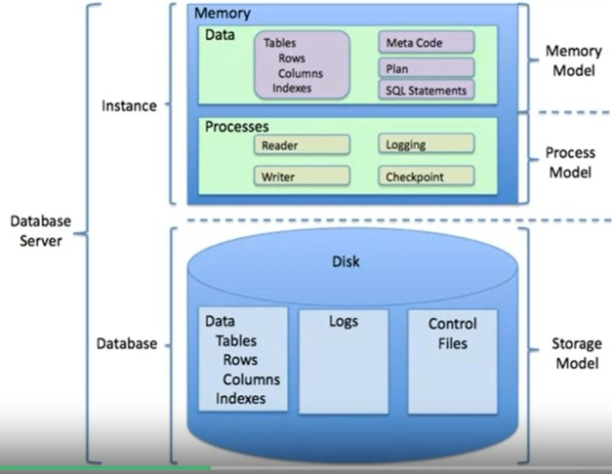
SQL was developed at IBM!
4. This language is useful in handling structured data; that is, the data incorporating relations among entities and variables.
5. SQL was designed for managing data in relational databases.
6. Here you can see a diagram showing the general structure of a relational database
A relational database is formed by collections of two-dimensional tables; for example, datasets and Microsoft Excel spreadsheets.
Each of these tables is then formed by a fixed number of columns and any number of rows.
7. Even though SQL was originally developed for use with relational databases, because it's so pervasive and easy to use,
SQL interfaces for many NoSQL and big data repositories have also been developed.
8. The SQL language is subdivided into several language elements, including clauses, expressions, predicates, queries, and statements.
9. So what makes SQL great? Knowing SQL will help you do many different jobs in data science, including business and data analyst, and it's a must in data engineering.
10. When performing operations with SQL, you access the data directly. There's no need to copy it beforehand.
This can speed up workflow executions considerably.
11. SQL is the interpreter between you and the database.
12. SQL is an American National Standards Institute, or "ANSI," standard, which means if you learn SQL and use it with one database, you will be able to easily apply that SQL knowledge to many other databases.
13. There are many different SQL databases available, including MySQL, IBM Db2, PostgreSQL, Apache OpenOffice Base, SQLite, Oracle, MariaDB, Microsoft SQL Server, and more.
14. The syntax of the SQL you write might change a little bit based on the relational database management system you’re using.
15. If you are looking to learn SQL you would be best served to focus on a specific relational database and then plug into the community for that specific platform. There are also many great introductory courses on SQL available!
4. OTHER LANGUAGES
1. Java is a tried-and-true general-purpose object oriented programming language. It's been widely adopted in the enterprise space and is designed to be fast and scalable. Java applications are compiled to bytecode and run on
the Java Virtual Machine, or "JVM." Some notable data science tools built with Java include Weka, for data mining; Java-ML, which is a machine learning library; Apache MLlib, which makes machine learning scalable; and Deeplearning4j, for deep learning.
Apache Hadoop is another Java-built application. It manages data processing and storage for big data applications running in clustered systems.
2. Scala is a general-purpose programming language that provides support for functional programming and a strong static type system. Many of the design decisions in the construction of the Scala language were made to address criticisms of Java.
Scala is also interoperable with Java, as it runs on the JVM. The name "Scala" is a combination of "scalable" and "language." This language is designed to grow alongwith the demands of its users.
For data science, the most popular program built using Scala is Apache Spark. It provides APIs that make parallel jobs easy to write, and an optimized engine that supports general computation graphs.
Spark includes Shark, which is a query engine; MLlib, for machine learning; GraphX, for graph processing; and Spark Streaming. Apache Spark was designed to be faster than Hadoop.
3. C++ is a general-purpose programming language. It is an extension of the C programming language, or "C with Classes.” C++ improves processing speed, enables system programming, and provides broader control over the software application.
Many organizations that use Python or other high-level languages for data analysis and exploratory tasks still rely on C++ to develop programs that feed that data to customers in real-time.
For data science, a popular deep learning library for dataflow called TensorFlow was built with C++. But while C++ is the foundation of TensorFlow, it runs on a Python interface, so you don’t need to know C++ to use it.
MongoDB, a NoSQL database for big data management, was built with C++. Caffe is a deep learning algorithm repository built with C++, with Python and MATLAB bindings.
4. A core technology for the World Wide Web, JavaScript is a general-purpose language that extended beyond the browser with the creation of Node.js and other server-side approaches. Javascript is NOT related to the Java language.
For data science, the most popular implementation is undoubtedly TensorFlow.js. TensorFlow.js makes machine learning and deep learning possible in Node.js as well as in the browser. TensorFlow.js was also adopted
by other open source libraries, including brain.js and machinelearn.js. The R-js project is another great implementation of JavaScript for data science. R-js has re-written linear algebra specifications from the R Language into Typescript.
This re-write will provide a foundation for other projects to implement more powerful math base frameworks like Numpy and SciPy of Python. Typescript is a superset of JavaScript.
5. Julia was designed at MIT for high-performance numerical analysis and computational science. It provides speedy development like Python or R, while producing programs that run as fast as C or Fortran programs.
Julia is compiled, which means that the code is executed directly on the processor as executable code; it calls C, Go, Java, MATLAB, R, Fortran, and Python libraries; and has refined parallelism. The Julia language is relatively new,
having been written in 2012, but it has a lot of promise for future impact on the data science industry. JuliaDB is a particularly useful application of Julia for data science. It's a package for working with large persistent data sets.
That's as far as we’ll dig into the many languages that are used to solve data science problems. If you have experience with a particular language, I recommend you do a web search to see what
might already be possible in terms of using it for data science. You might be surprised at the possibilities!
17. DATA SCIENCE TOOLS
1.OPEN SOURCE DATA SCIENCE TOOLS
1. Data Management Tools -
1. Data Management is the process of persisting and retrieving data. Data Integration and Transformation, often referred to as Extract, Transform, and Load, or “ETL,” is the process of
retrieving data from remote data management systems. Transforming data and loading it into a local data management system is also part of Data Integration and Transformation.
2. The most widely used open source data management tools are relational databases such as MySQL and PostgreSQL;
3. NoSQL databases such as MongoDB Apache CouchDB, and Apache Cassandra; and
4. File-based tools such as the Hadoop File System or Cloud File systems like Ceph.
5. Elasticsearch is mainly used for storing text data and creating a search index for fast document retrieval.
6. The task of data integration and transformation in the classic data warehousing world is called ETL, which stands for “extract, transform, and load.”
...
5. def DrawCircle(self): |  |  | Redcircle.Drawcircle()
d=c[1:4]
d: | [1,2,3]
change last 2 digits
c[3:5]=300,400
c: | array([100,1,2,300,400])
vector addition and substruction
 | 1 |  |  | 0 |  | 1+0 | 1
u= |  |  | v= |  | z=u+v
 | 0 |  |  | 1 |  | 0+1 | 1

0
1
1
u= 1
0
v= 0
1
z=u+v tip to tail method placing the tail of the vector v to the tip of the vector u
z=u+v= 1
1

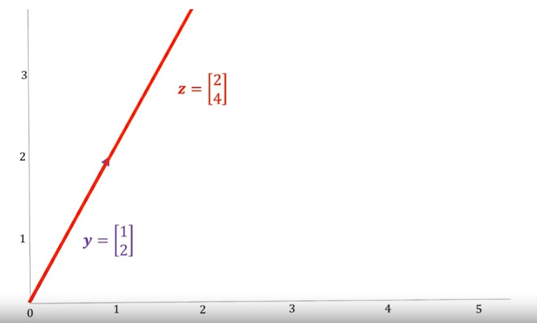

 |  |  | in numphy
u=[1,0] |  |  | u=np.array[0,1]
v=[0,1] |  |  | v=np.array[1,0]
for n,m in zip(u,v): |  |  | z=u+v
z.append(n+m) |  |  | z: | array[1,1]

IF z= u-v | z:Array(1,-1)

array multiplication
 | 1 |  |  | 2
y= |  |  | z=2y
...
ADDING CONSTANT TO A ARRAY
U= NP.ARRAY([1,2,3,-1])
Z=U+1
Z: | ARRAY([2,3,4,0])

mEAN= U.MEAN()
mAX= U.MAX()

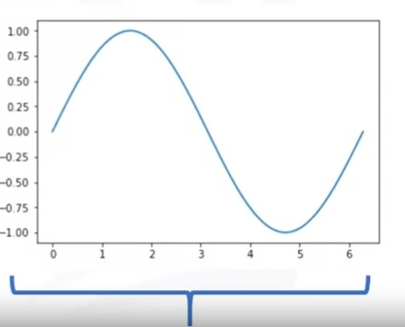
GIVES A ARRAY |  |  |  | SIN( X)
NP.LINSPACE(-2,2,NUM=5)
NP.LINSPACE(-2,2,NUM=9)

UNIVERSAL FUNCTIONS

WE CAN ACCESS THE VALUE OF PI ON NUMPHY AS- NP.PI
X= NP.ARRAY([0,NP.PI/2,NP.PI])
Y=NP.SIN(X)
Y: | ARRAY([0,1,1.2e-16])

X=NP.LINESPACED(0,2*NP.PI,100)
Y=NP.SIN(X)

IMPORT MATPLOTLIB.PYPLOT as PLT
% MATPLOTLIB INLINE
PLT.PLOT(X,Y)

2D ARRAY CREATION
A=[[11,12,13],[21,22,23],[31,32,33]]
a=NP.ARRAY(A)
a.NDIM | NO OF LIST | 2
a.SHAPE |  | 3,3
...
APPLICATION PROGRAM INTERFACE/API
we got a data in raw.
we are interested in price
bitcoin_data['prices']
to make thing simple we can convert our list
data=pd.dataframe(bitcoin_price_data, column=['timestamp','price'])
we can convert it to a more readable format
using pandas function to_datetime
data['date']=pd.to_dataframe(data['Timestamp'],unit='ms')
now we want to get the candlestick data
candlestick_data=data.groupby(data.date.dt.date).agg({'price':['min','max','first','last']})
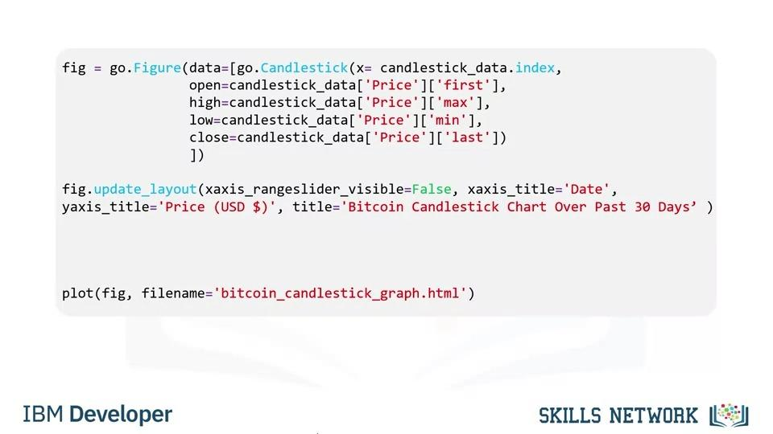

5. Speech to text
1. signup for api key
2. form ibm_watson import speechtotextv1
3. url= web address of the file
4. iam_apikey_s2t=your api key
5. s2t=Speechtotextv1(iam_apikey=iam_apikey_s2t,url=url_s2t)
6. filename=hello_this_is_python.wav
7. with open(filename,mode="rb") as wav:
8. response=s2t.recognise(audio=wav,content_type='audio/wav')
...
4. To define an HTML table we have the table tag. Each table row is defined with a <tr> tag, you can also use a table header tag for the first row.
The table row cell contains a set of <td> tags, each defines a table cell. For the first row first cell we have Pizza Place; for the first row second cell we have Orders; and so on.
For the second row we have item and order details; and for the second row first cell we have Dominoz Pizza; for the second row second cell we have 10; and so on.
We now have some basic knowledge of HTML. Now let's try and extract some data from a web page.
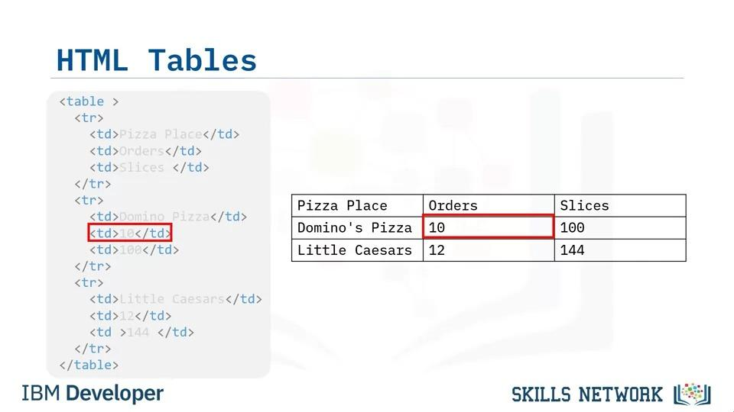

18. Webscraping
1. Webscraping is a process that can be used to automatically extract information from a website, and can easily be accomplished within a matter of minutes and not hours.
To get started we just need a little Python code and the help of two modules named Requests and Beautiful Soup.
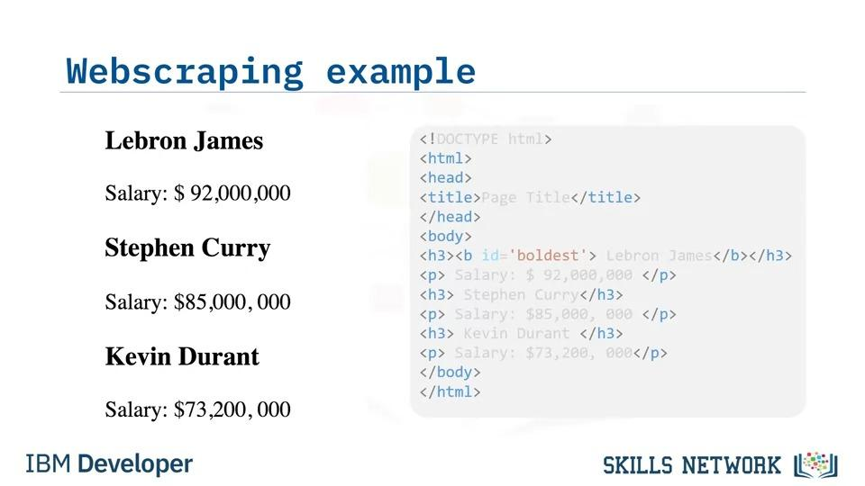
2. Let’s say you were asked to find the name and salary of players in a National Basketball League, from the following webpage.

1. Form bs4 import Beautifulsoup
2. html= total web page
3. Soup=Beautifulsoup(html, 'html5lib')
4. tag_object=soup.title
5. tag_object: | shows title
6. Tag_object:soup.h3
7. Tag_object: | shows h3 page
8.Tag_child=Tag_object.b
9. Tag_child:
...
14. Tag_Child.attrs:
15. Tag_child.string:
Webscraping Findall
1. Form bs4 import Beautifulsoup
2. html= total web page
3. Table=Beautifulsoup(html, 'html5lib')
4. Table_row=Table.find_all(Name='tr')
5.Table_row:
6.First_row=table_row[0]
7.First_row:
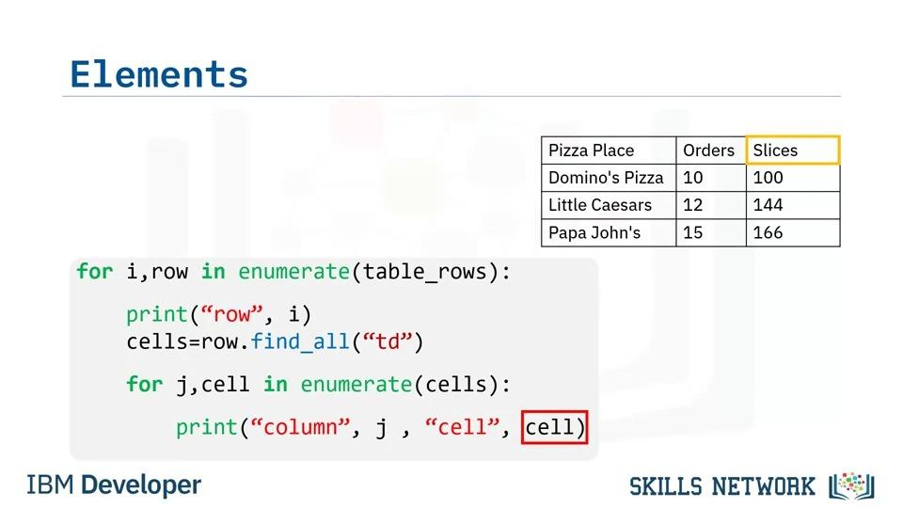
8. First row.td: |  | first table cell

9. Apply beautifulsoup on a web page
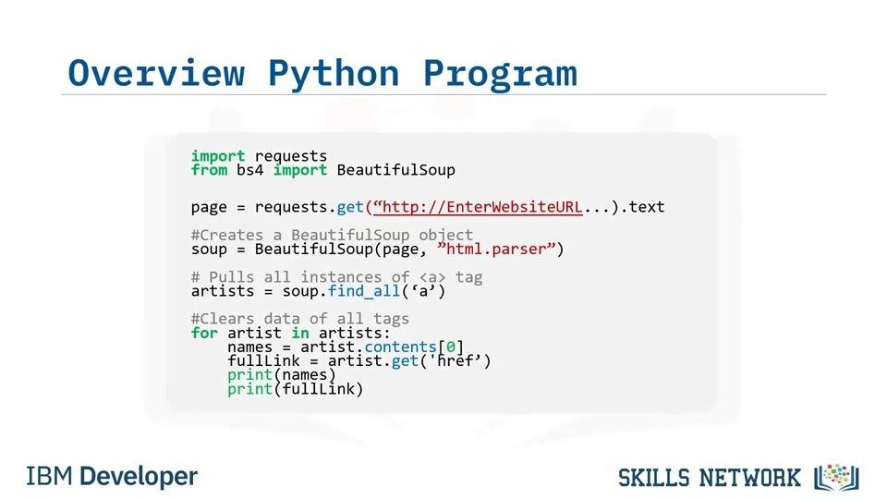

19. Different File Formats
1. when collecting data you will find there are many different file formats that need to be collected or read in order to complete a data driven story or analysis
2. when gathering the data python can make the process simpler with its predefined libraries
3. looking at a file name you will notice an extension at the end of the title these extensions let you know what type of file it is and what is needed
to open it for instance if you see a title like file example.csv you will know this is a csv file but this is only one example of different file types there are many more such as json or xml
4.Reading csv file
1. import pandas as pd
2. File=F.csv
3. df=pd.read_csv(file)
4. df.colums=['Name','Phone Number','Birthday'] |  |  |  | organize the data if not organize correctly
5.Reading json file
1.import json
2.with open('f.json','r') as openfile
3. json_object=json.load(openfile)
4. print(json_object)
6.Reading xml File
1. import xml.etree.ElemenTtree as etree
2.tree=etree.parse('f.xml')
3.root=tree.getroot()
4.Colums=['Name','Phone Number','Birthday']
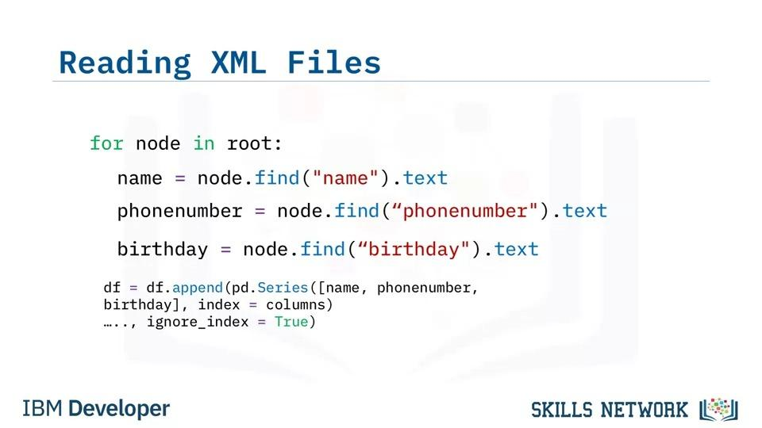
5. df=pd.dataframe(colums=colums)

20. Database API
1. The SQL API consists of library function calls as an application programming interface, API, for the DBMS. To pass SQL statements to the DBMS, an application program calls functions in the API, and it calls other functions to retrieve query results and status information from the DBMS. The basic operation of a typical SQL API is illustrated in the figure. The application program begins its database access with one or more API calls that connect the program to the DBMS. To send the SQL statement to the DBMS, the program builds the statement as a text string in a buffer and then makes an API call to pass the buffer contents to the DBMS. The application program makes API calls to check the status of its DBMS request and to handle errors. The application program ends its database access with an API call that disconnects it from the database.
2. MySQL C API provides low level access to the MySQL client server protocol and enables C programs to access database contents. The psycopg2 API connects Python applications in PostgreSQL databases. The IBM_DB API is used to connect Python applications to IBM DB2 databases. The dblib API is used to connect to SQL server databases. ODBC is used for database access for Microsoft Windows OS. OCI is used by Oracle databases. And finally, JDBC is used by Java applications.
3. User writes Python programs using a Jupyter notebook. There is a mechanism by which the Python code communicates with the DBMS. The Python code connects to the database using DB-API calls. DB-API is Python's standard API for accessing relational databases. It is a standard that allows you to write a single program that works with multiple kinds of relational databases instead of writing a separate program for each one. So, if you learn the DB-API functions, then you can apply that knowledge to use any database with Python. Here are some advantages of using the DB-API. It's easy to implement and understand. This API has been defined to encourage similarity between the Python modules that are used to access databases. It achieves consistency which leads to more easily understood modules. The code is generally more portable across databases, and it has a broader reach of database connectivity from Python. As we know, each database system has its own library.
4. The IBM_db library is used to connect to an IBM DB2 database.The MySQL Connector/Python library is used to connect to a Compose for MySQL database. The psycopg2 library is used to connect to a Compose from PostgreSQL database. And finally, the PyMongo library is used to connect to a Compose for MongoDB database.
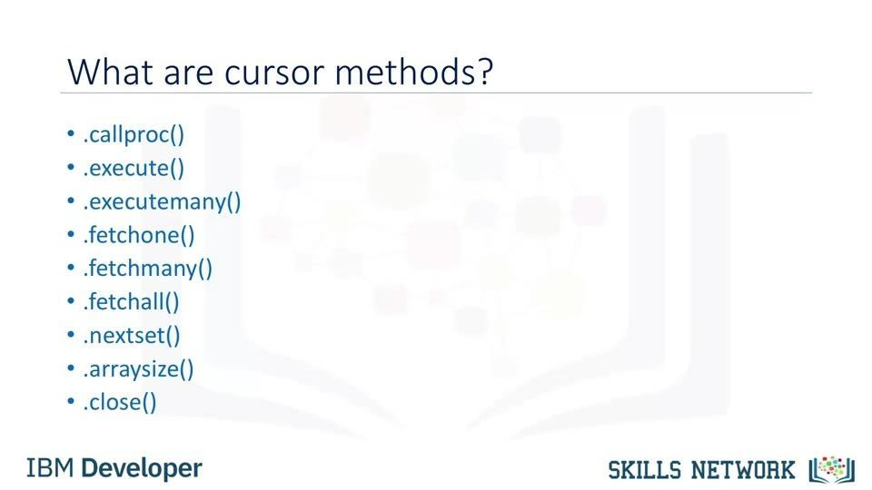
5. The two main concepts in the Python DB-API are connection objects and query objects. You use connection objects to connect to a database and manage your transactions. Cursor objects are used to run queries. You open a cursor object and then run queries. The cursor works similar to a cursor in a text processing system where you scroll down in your result set and get your data into the application. Cursors are used to scan through the results of a database. The DB_API includes a connect constructor for creating a connection to the database. It returns a Connection Object, which is then used by the various connection methods. These connection methods are: The cursor() method, which returns a new cursor object using the connection. The commit() method, which is used to commit any pending transaction to the database. The rollback() method, which causes the database to roll back to the start of any pending transaction. The close() method, which is used to close a database connection. These objects represent a database cursor, which is used to manage the content of a fetch operation. Cursors created from the same connection are not isolated that is, any changes done to the database by a cursor are immediately visible by the other cursors. Cursors created from different connections can or cannot be isolated depending on how the transaction support is implemented.

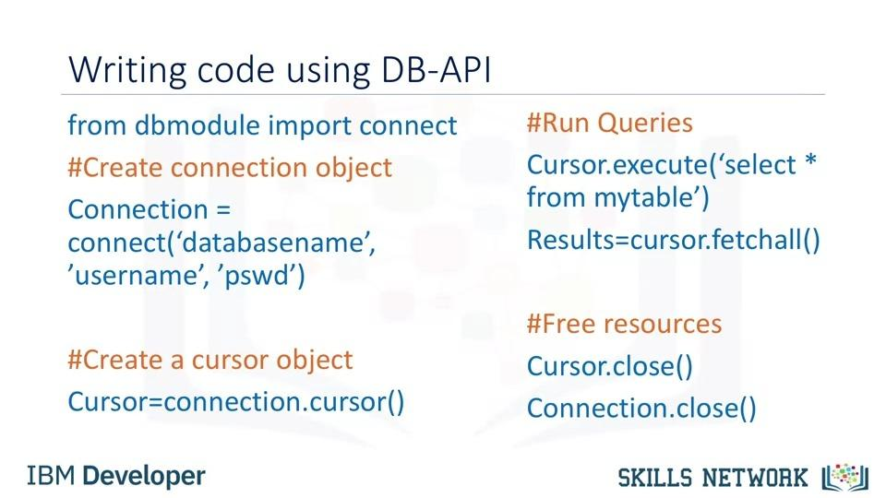
6. A database cursor is a control structure that enables traversal over the records in a database. It behaves like a file name or file handle in a programming language. Just as a program opens a file to access its contents, it opens a cursor to gain access to the query results. Similarly, the program closes a file to end its access and closes a cursor to end access to the query results. Another similarity is that just as file handle keeps track of the program's current position within an open file, a cursor keeps track of the program's current position within the query results. Let's walk through a Python application that uses the DB-API to query a database.

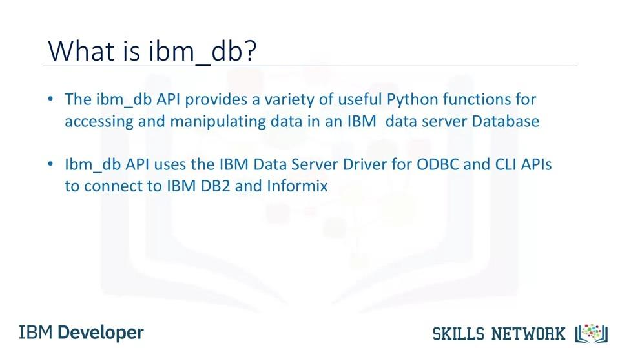

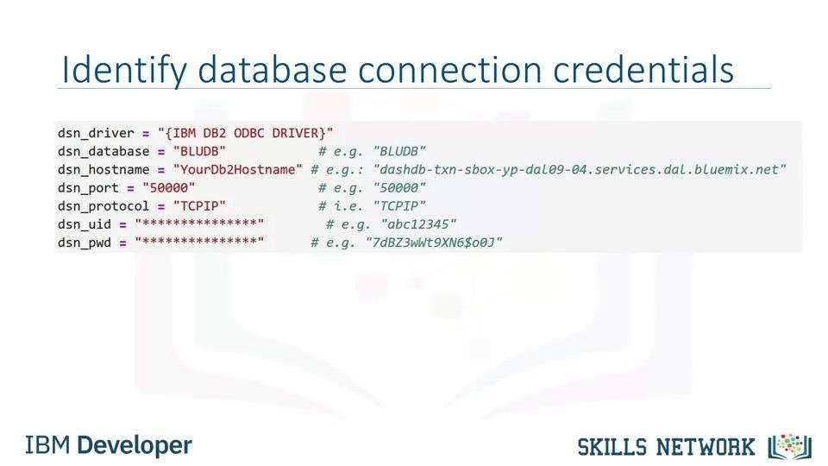

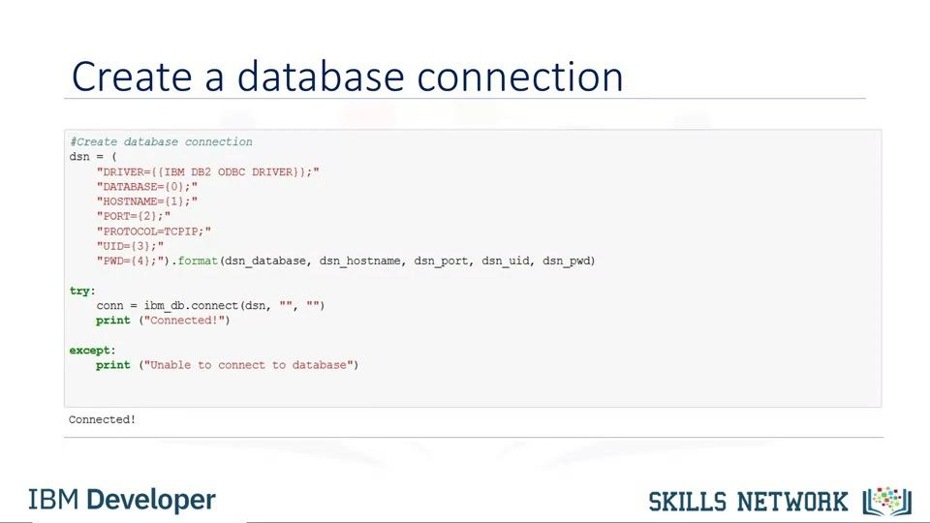

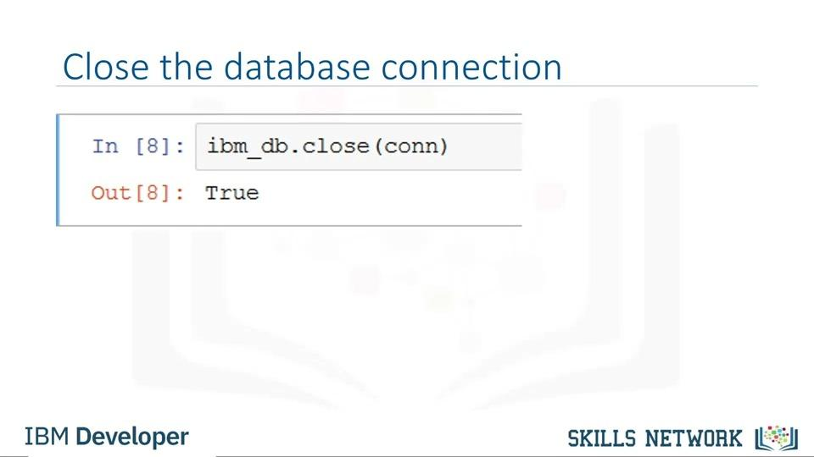

Introducing SQL Magic
Jupyter notebooks have a concept of Magic commands that can simplify working with Python, and are particularly useful for data analysis. Your notebooks can have two types of magic commands:

Cell magics: start with a double %% sign and apply to the entire cell
Line magics: start with a single % (percent) sign and apply to a particular line in a cell
Their usage is of the format:

%magicname arguments

So far in the course you learned to accessed data from a database using the Python DB-API (and specifically ibm_db). With this API execution of queries and fetching their results involves multiple steps. You can use the SQL Magic commands to execute queries more easily.
...
Note: All the numeric data types may have an extra option: UNSIGNED or ZEROFILL. If you add the UNSIGNED option,
88. select JOB_TITLE, MIN_SALARY,MAX_SALARY,JOB_IDENT from JOBS where JOB_IDENT IN (select JOB_ID from EMPLOYEES where YEAR(B_DATE)>1976 );
89. select JOB_TITLE, MIN_SALARY,MAX_SALARY,JOB_IDENT from JOBS where JOB_IDENT IN (select JOB_ID from EMPLOYEES where YEAR(B_DATE)>1976 and SEX='F' );
90. select * from EMPLOYEES, JOBS;
91. select * from EMPLOYEES, JOBS where EMPLOYEES.JOB_ID = JOBS.JOB_IDENT;
92. select * from EMPLOYEES E, JOBS J where E.JOB_ID = J.JOB_IDENT;
93. select EMP_ID,F_NAME,L_NAME, JOB_TITLE from EMPLOYEES E, JOBS J where E.JOB_ID = J.JOB_IDENT;
94. select E.EMP_ID,E.F_NAME,E.L_NAME, J.JOB_TITLE from EMPLOYEES E, JOBS J where E.JOB_ID = J.JOB_IDENT;

1. Data analysis with python
1. Hello, and welcome to analyzing data with Python. After completing this video, you will be able to understand basic concepts related to performing exploratory analysis on data. We will demonstrate an example of how to store data using the IBM Db2 on Cloud database, and then use Python to do some basic data analysis on this data. In this video, we will be using the McDonald's menu nutritional facts data for popular menu items at McDonald's, while using Python to perform basic exploratory analysis. McDonald's is an American fast food company and the world's largest restaurant chain by revenue. Although McDonald's is known for fast food items such as hamburgers, French fries, soft drinks, milkshakes, and desserts, the company has added to its menu salads, fish, smoothies, and fruit. McDonald's provides nutrition analysis of their menu items to help you balance your McDonald's meal with other foods you eat. The data set used in this lesson has been obtained from the nutritional facts for McDonald's menu from Kaggle. We need to create a table on Db2 to store the McDonald's menu nutrition facts data set that we will be using. We will also be using the console provided by Db2 for this process. There are four steps involved in loading data into a table, source, target, define, and finalize. We first load the spreadsheet into the Db2 using the console. We then select the target schema, and then you will be given an option to load the data into an existing table or create a new table. When you choose to create a new table, you have the option to specify the table name. Next, you will see a preview of the data where you can also define the columns and data types. Review the settings and begin the load. When the loading is complete, you can see the statistics on the loaded data. Next, view the table to explore further. Db2 Warehouse allows you to analyze data using in-database analytics, APIs, RStudio or Python. The data has been loaded into our relational database. You can
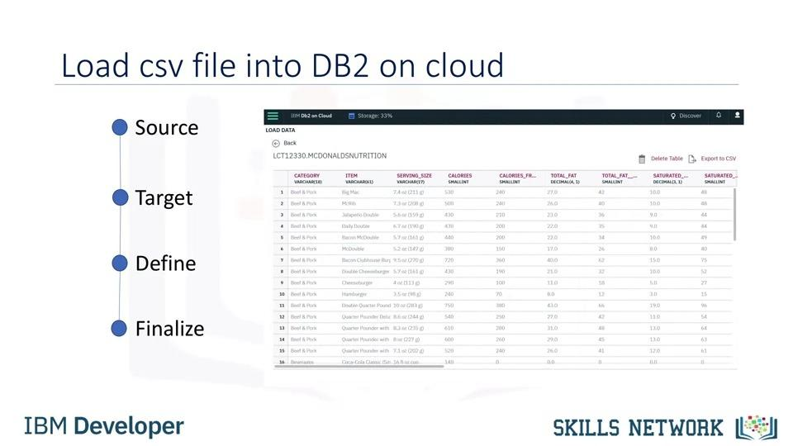
 |  |  |  |  | z

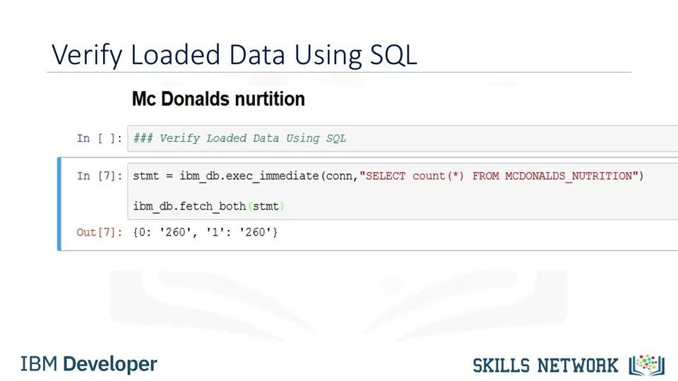

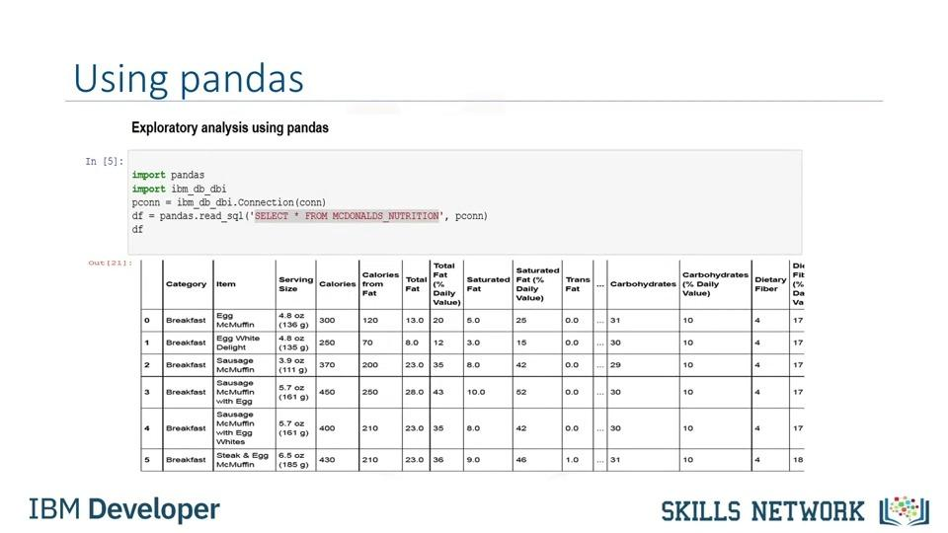

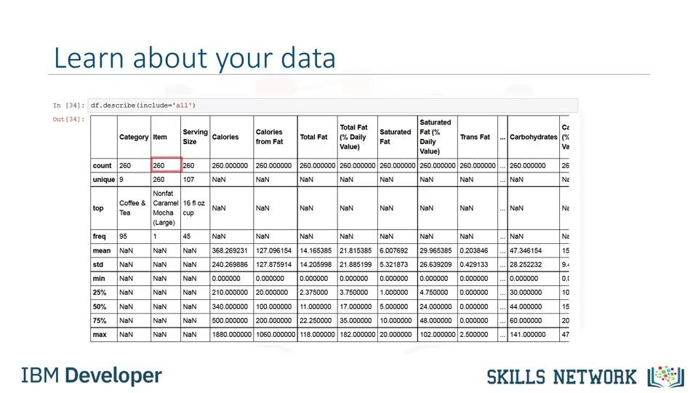

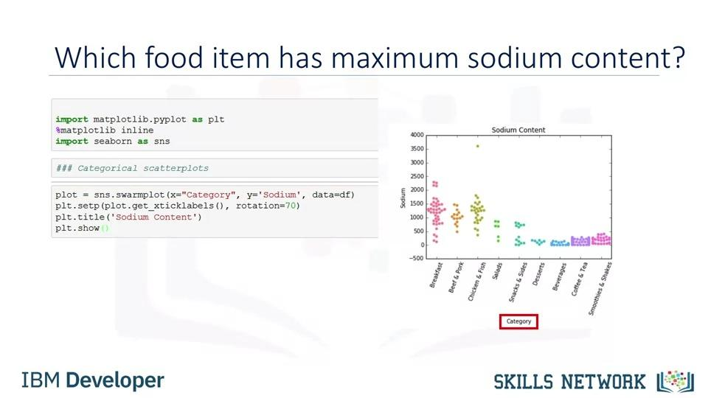

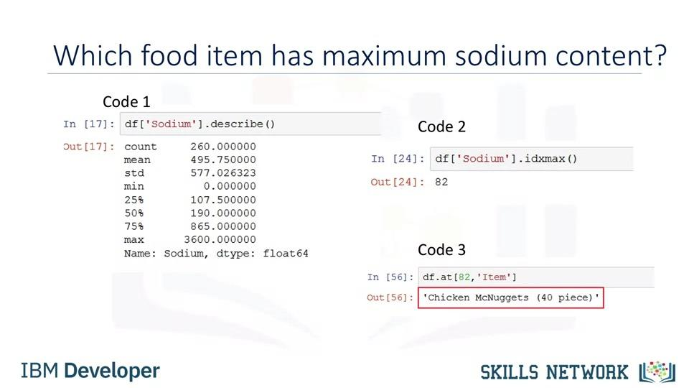

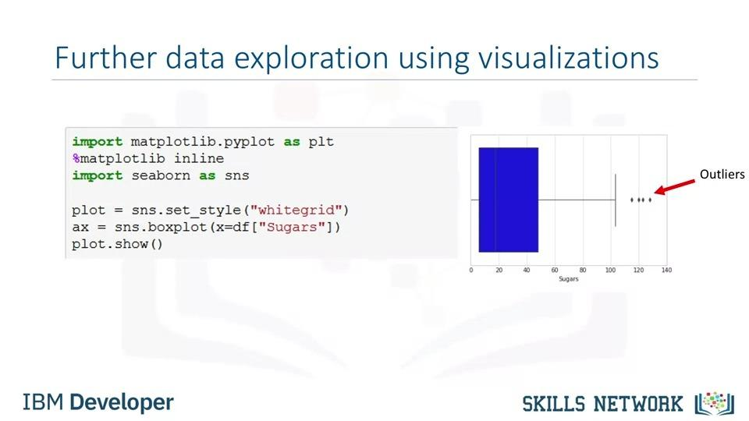

2. Working with Real World Datasets
Hello and welcome. In this video, we'll give you a few hints and tips for working with Real World Data-sets. Many of the real world data sets are made available as .CSV files. These are text files which contain data values typically separated by commas. In some cases, a different separator such as a semicolon may be used. For this video, we will use an example of a file called DOGS.CSV. Although this is a fictional data set that contains names of dogs and their breeds, we will use it to illustrate concepts that you will then apply to real datasets. Sample contents of the DOGS.CSV file are shown here. The first row in the table in many cases contains attribute labels which map to column names in a table. In DOGS.CSV, the first row contains the name of three attributes. Id is the name of the first attribute and the subsequent rows contain Id values of 1, 2, and 3. The name of the dog is the second attribute. In this case the dog names Wolfie, Fluffy, and Huggy are the values. The third attribute is called breed, either the dominant breed or pure breed name. It has values of German Shepherd, Pomeranian, and Labrador. As we've just seen, CSV files can have the first or a header row that contains the names of the attributes. If you're loading the data into the database using the visual load tool in the database console, ensure the header in first row is enabled. This will map the attribute names in the first row of the CSV file into column names in the database table, and the rest of the rows into the data rows in the table, as shown here. Note that the default column names may not always be database or query friendly, and if that is the case, you may want to edit them before the table is created. Now, let's talk about querying column names that are lower or mixed case, that is, a combination of upper and lowercase. Let's assume we loaded the DOGS.CSV file using the default column names from the CSV. If we try to retrieve the contents of the Id column using the query, se
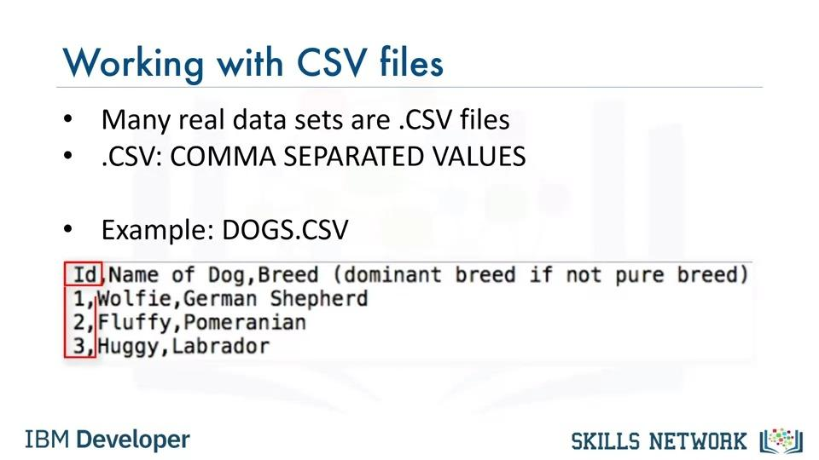

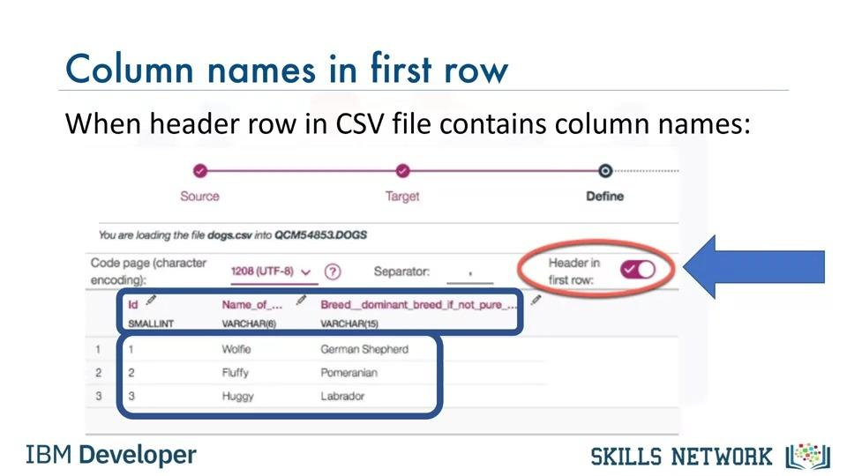

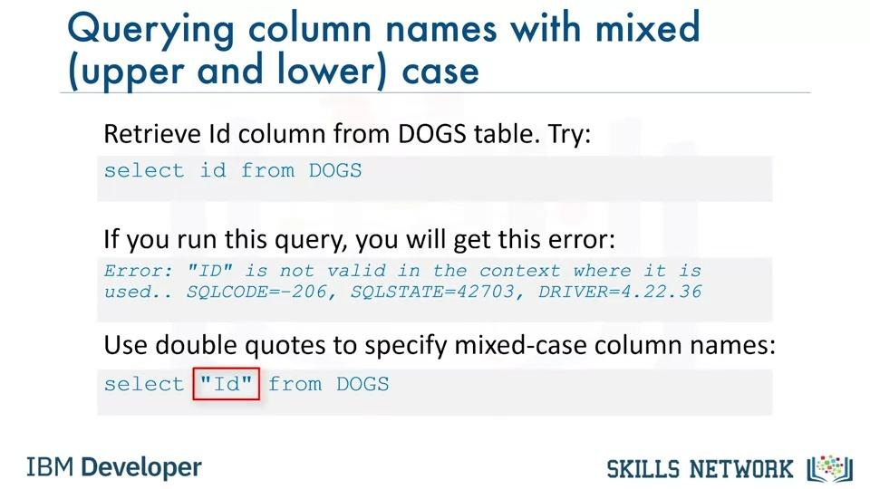

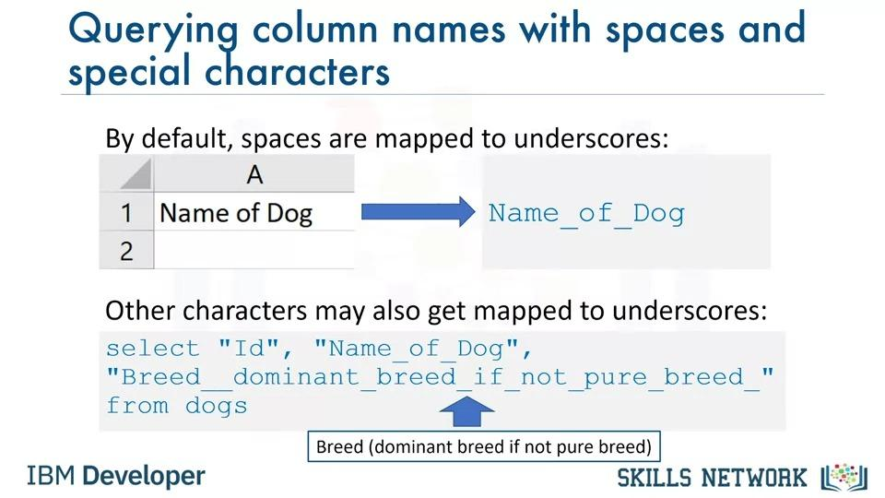

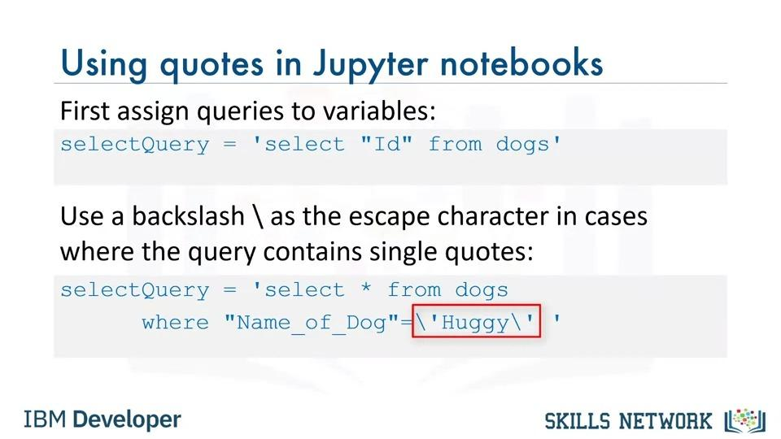

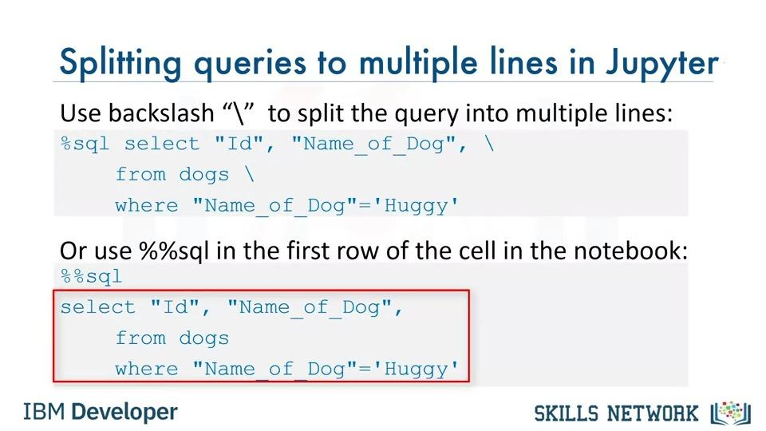

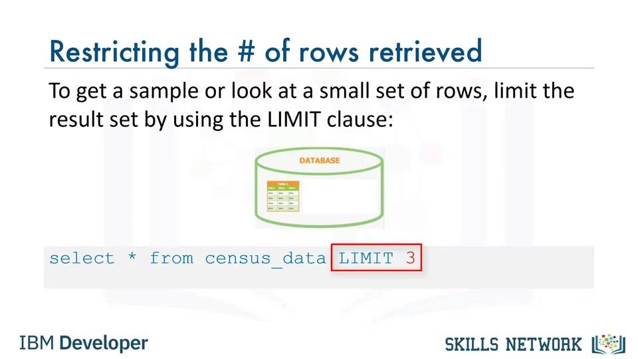

3. Getting Table and Column Details
Hello and welcome. In this video, we'll look at how to get information about tables and their columns in a database. Now how would you get a list of tables in the database? Sometimes your database may contain several tables, and you may not remember the correct name. For example, you may wonder whether the table is called dog, dogs or four legged mammals. Database systems typically contain system or catalog tables, from where you can query the list of tables and get their properties. In DB2 this catalog is called syscat tables. In SQL Server, it's information schema tables, and in Oracle it's all tables or user tables. To get a list of tables in a DB2 database, you can run the following query. Select star from syscat tables. This select statement will return too many tables including system tables, so it's better to filter the result as shown here. Select tabschema, tabname, create underscore time from syscat tables, where tabschema equals ABC12345. Please ensure that you replace ABC12345 with your own DB2 username. When you do a select star from syscat tables, you get all the properties of the tables. Sometimes we're interested in specific properties such as creation time. Let's say you've created several tables with similar names. For example, dog one, dog underscore test, dog test one and so on. But, you want to check which of these tables was the last one you created; to do so, you can issue a query like select tabschema, tabname, create underscore time from syscat tables: Where a tabschema equals QCM54853. The output will contain the schema name, table name, and creation time for all tables in your schema. Next, let's talk about how to get a list of columns in a table. If you can't recall the exact name of a column for example, whether it had any lowercase characters or an underscore in its name, in DB2 you can issue a query like the one shown here. Select star from syscat columns where tab name equals dogs. For your information, in my SQL, you can simply run t

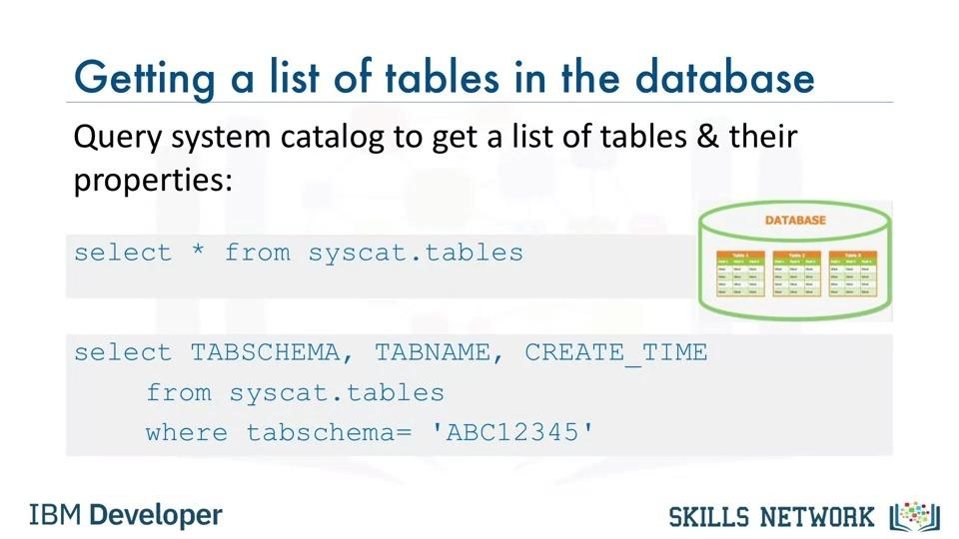

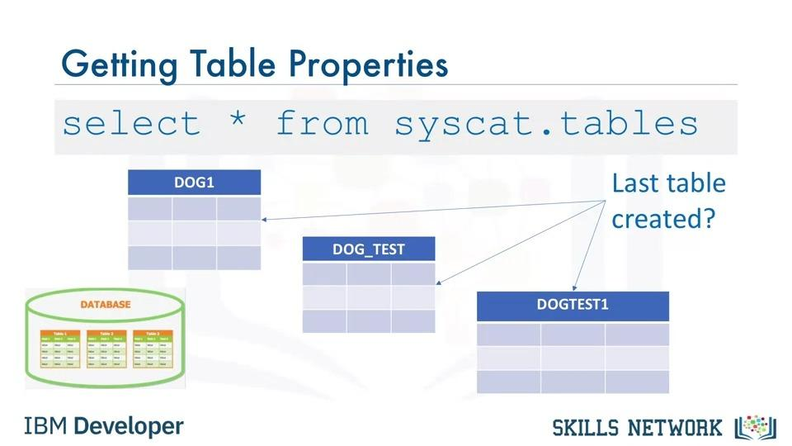

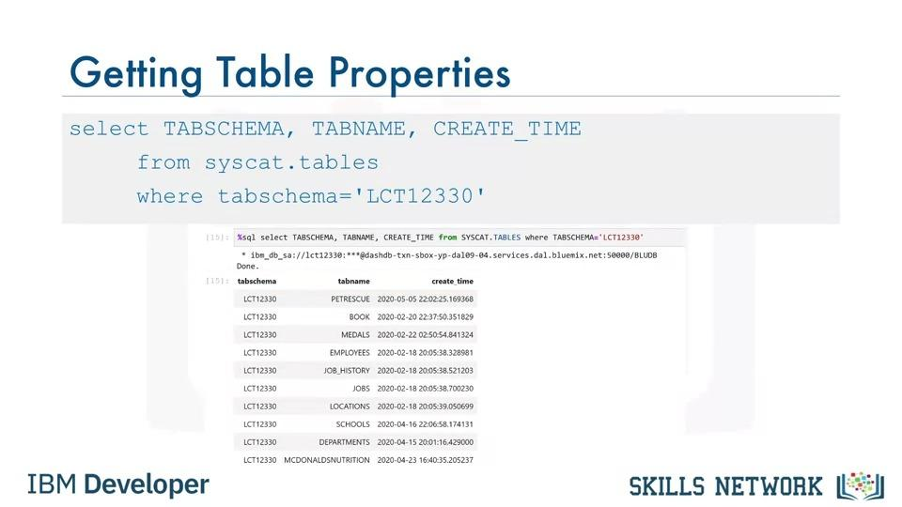

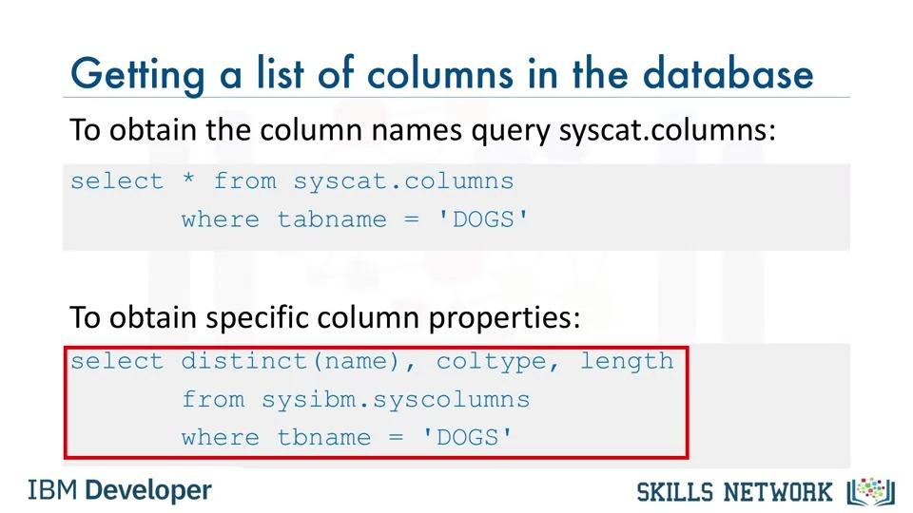

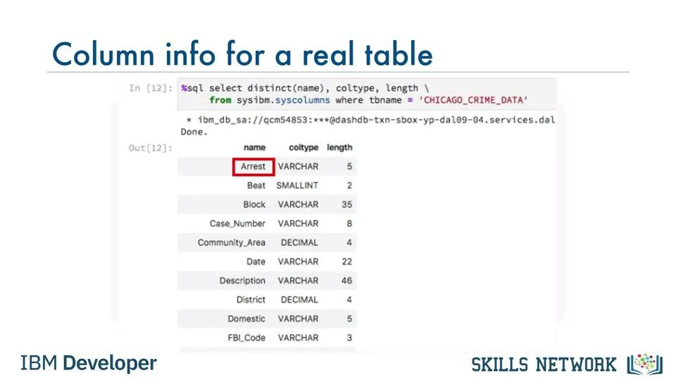
...
1. Data Analysis
This is our target value or label in other words.
This means price is the value that we want to predict from the dataset and
the predictors should be all the other variables listed like symboling,
normalized-losses, make, and so on.
Thus, the goal of this project is to predict price in
terms of other car features. Just a quick note.
This dataset is actually from 1985.
So, the car prices for the models may seem a little low.
But just bear in mind that the goal of this exercise is to learn how to analyze the data.
[music]
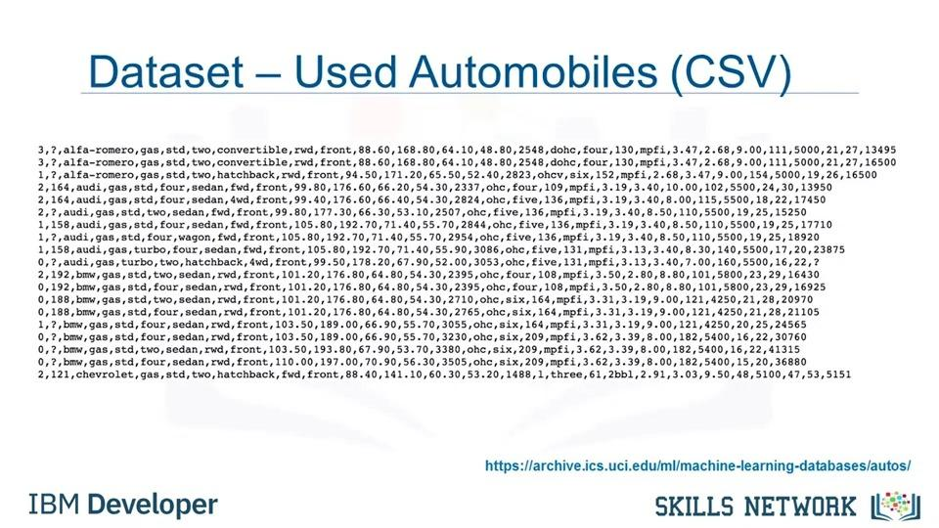

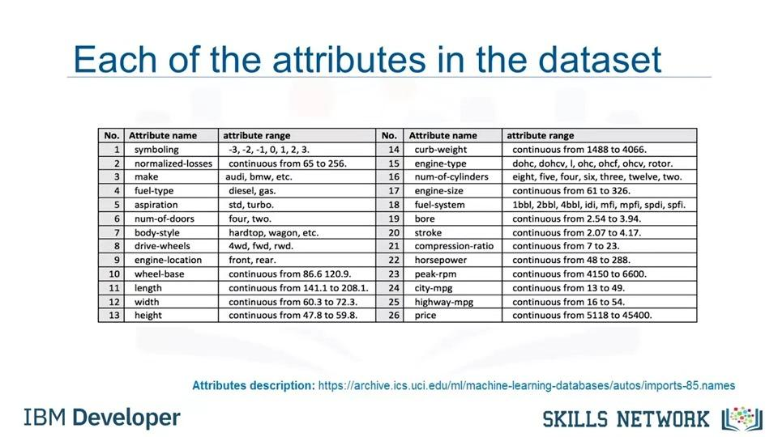

3. Python Packages for Data Science
In order to do data analysis in Python, we should first tell you a little bit about
the main packages relevant to analysis in Python.
Play video starting at ::8 and follow transcript0:08
A Python library is a collection of functions and
methods that allow you to perform lots of actions without writing any code.
The libraries usually contain built in modules providing different
functionalities which you can use directly.
And there are extensive libraries offering a broad range of facilities.
We have divided the Python data analysis libraries into three groups.
The first group is called scientific computing libraries.
...
you can use the syntax df.to_CSV.
Play video starting at :3:45 and follow transcript3:45
For this course, we will only read and save CSV files.
However, pandas also supports importing and
exporting of most data file types with different dataset formats.
The code syntax for reading and saving other data formats
is very similar to read or save CSV file.
Each column shows a different method to read and
save files into a different format.

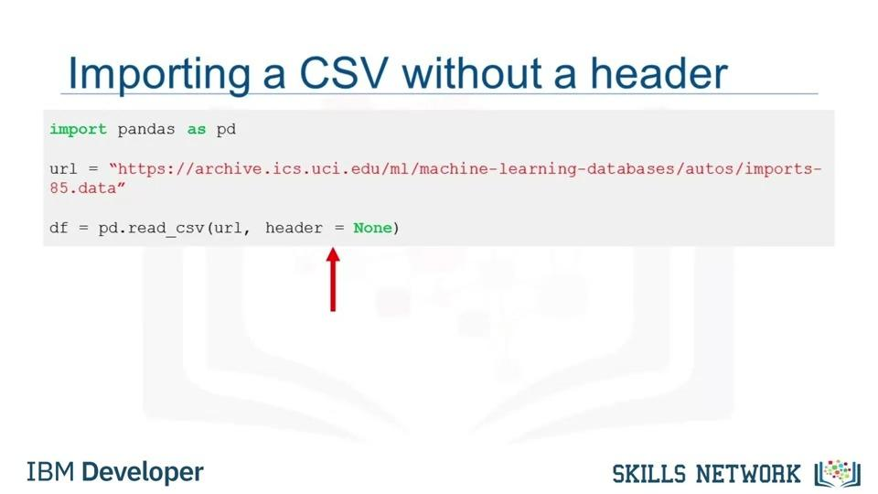

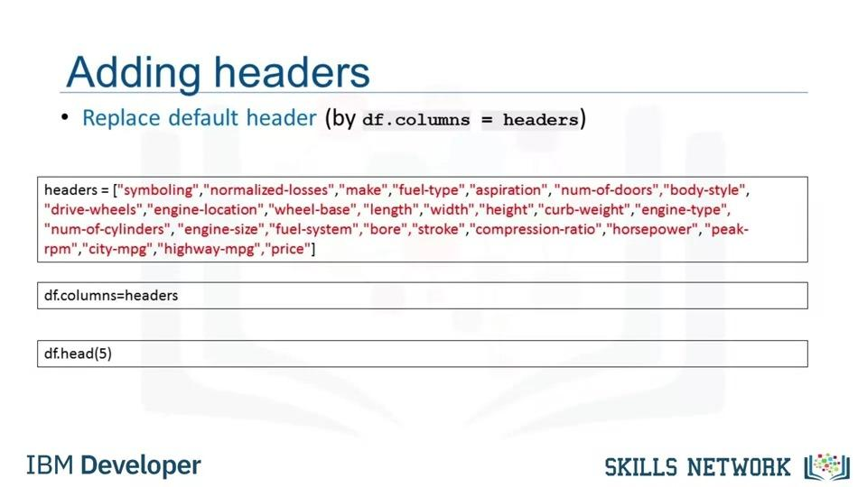

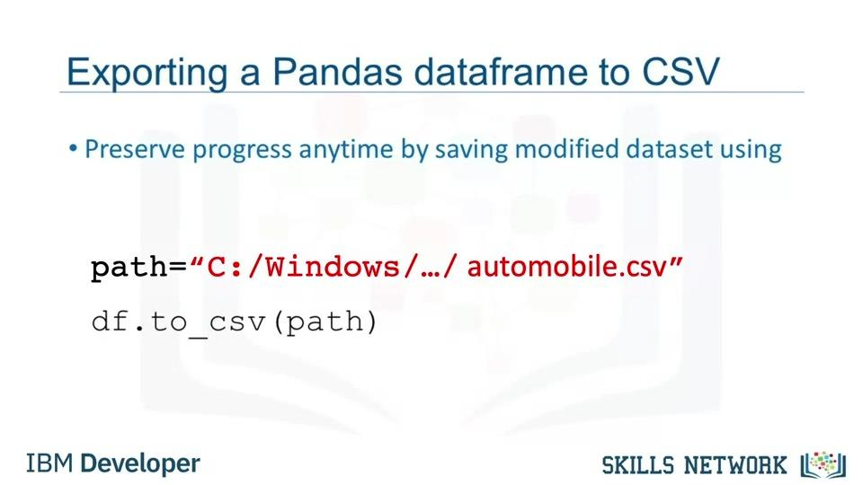

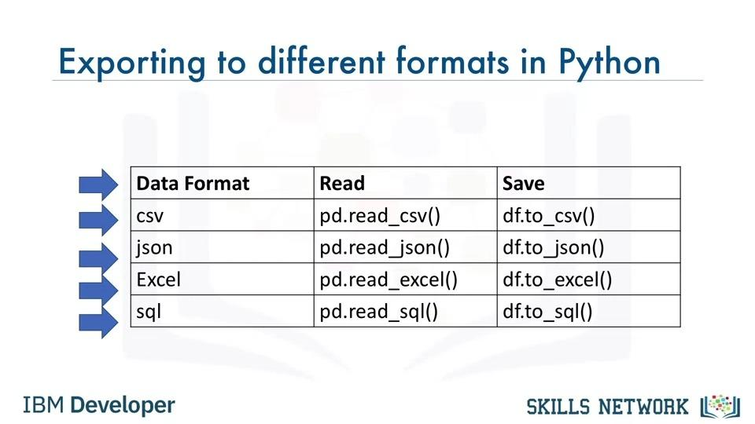

5. Getting Started Analyzing Data in Python
In this video, we introduce some simple Pandas methods that
all data scientists and analysts should know
when using Python, Pandas and data.
At this point, we assume that the data has been loaded.
It's time for us to explore the dataset.
Pandas has several built-in methods that can be used to understand
the datatype or features or to
look at the distribution of data within the dataset.
Using these methods, gives an overview of the dataset and also point out
...
Top is most frequently occurring object,
and freq is the number of times the top object appears in the column.
Some values in the table are shown here as
NaN which stands for not a number.
This is because that particular statistical metric
cannot be calculated for that specific column data type.
Another method you can use to check your dataset,
is the dataframe.info function.
This function shows the top 30 rows and bottom 30 rows of the data frame.
[music]
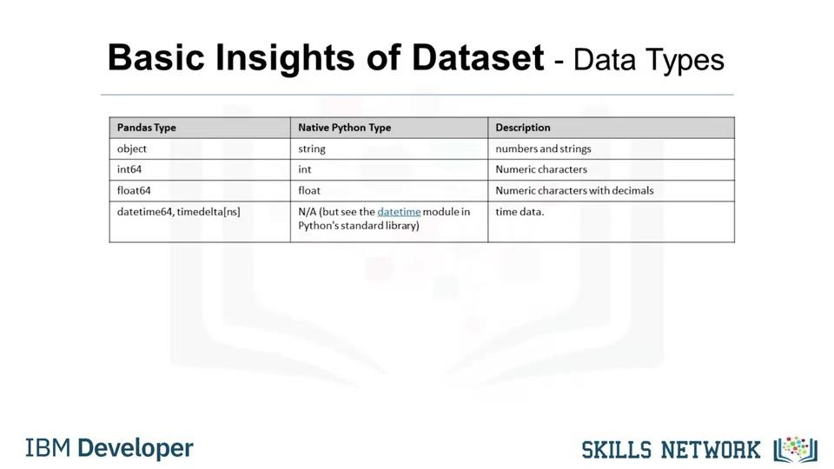

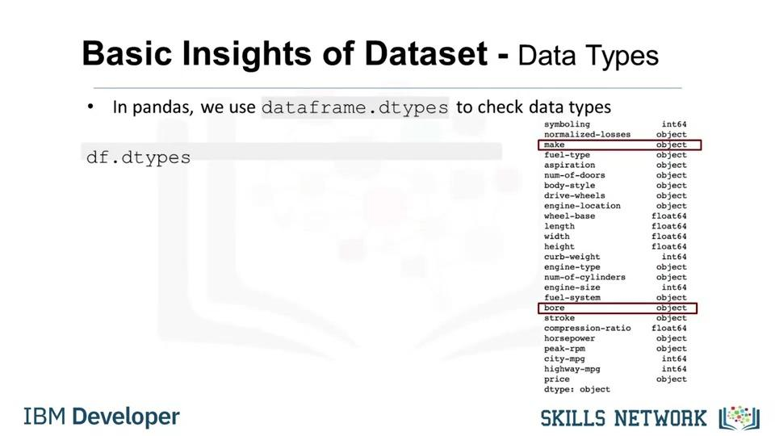

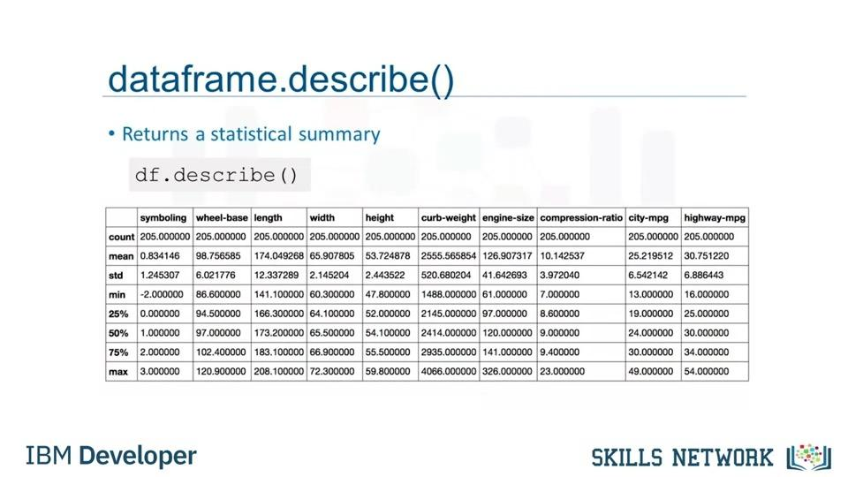

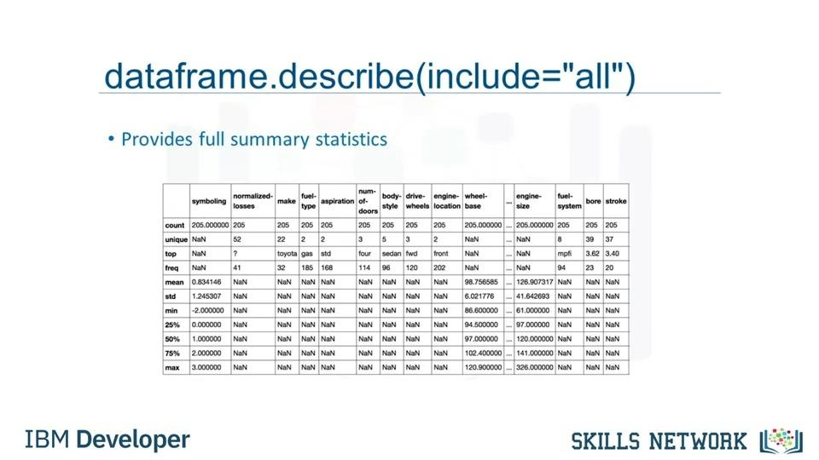

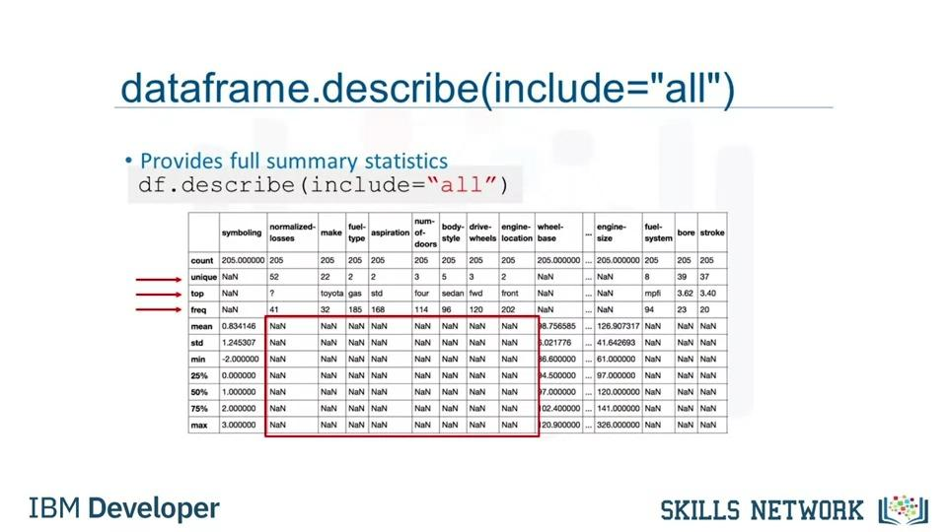







Lesson Summary
In this lesson, you have learned how to:
Define the Business Problem: Look at the data and make some high-level decision on what kind of analysis should be done
Import and Export Data in Python: How to import data from multiple data sources using the Pandas library and how to export files into different formats.
Analyze Data in Python: How to do some introductory analysis in Python using functions like dataframe.head() to view the first few lines of the dataset, dataframe.info() to view the column names and data types.

Pre-processing Data in Python
In this video, we'll be going through
some data preprocessing techniques.
...
Each of these columns is a Panda series.
There are many ways to manipulate Dataframes in Python.
For example, you can add
a value to each entry off a column.
To add one to each symbolling entry, use this command.
This changes each value of
the Data frame column by adding one to the current value.

Dealing with Missing Values in Python










Data Formatting in Python
In this video, we'll look at the problem of data with different formats,
units and conventions and the pandas methods that help us deal with these issues.
Data is usually collected from different places by
different people which may be stored in different formats.
Data formatting means bringing data into a common standard of
expression that allows users to make meaningful comparisons.
As a part of dataset cleaning,
data formatting ensures the data is consistent and easily understandable.
...
Objects can be letters or words.
Int64 are integers and floats are real numbers.
There are many others that we will not discuss.
To identify features data type,
in Python we can use the dataframe.dtypes
method and check the data type of each variable in a data frame.
In the case of wrong data types,
the method dataframe.astype can be
used to convert a data type from one format to another.
For example, using astype int for the price column,

you can convert the object column into an integer type variable.









Data Normalization in Python
In this video, we'll be talking about data normalization.
An important technique to understand in data pre-processing.
When we take a look at the used car data set,
we notice in the data that the feature length ranges from 150-250,
while feature width and height ranges from 50-100.
We may want to normalize these variables so that the range of the values is consistent.
This normalization can make some statistical analyses easier down the road.
By making the ranges consistent between variables,
...
Using the pandas method max,
this can be done in just one line of code.
Here's the min-max method on the length feature.
We subtract each value by the minimum of that column,
then divide it by the range of that column.
The max minus the min.
Finally, we apply the z-score method on length feature to normalize the values.
Here we apply the mean and STD method on the length feature.
Mean method will return the average value of the feature in the data set,
and STD method will return the standard deviation of the features in the data set.










In this video, we’ll talk about binning as a method of data pre-processing.
Binning is when you group values together into bins. For example, you can bin “age”
into [0 to 5], [6 to 10], [11 to 15] and so on.
Sometimes, binning can improve accuracy of the predictive models.
In addition, sometimes we use data binning to group a set of numerical values into a
smaller number of bins to have a better understanding of the data distribution.
As example, “price” here is an attribute range from 5,000 to 45,500.
Using binning, we categorize the price into three bins: low price, medium price, and high
prices.
In the actual car dataset, ”price" is a numerical variable ranging from 5188 to 45400,
it has 201 unique values.
...
First we use the numpy function “linspace” to return the array “bins” that contains
4 equally spaced numbers over the specified interval of the price.
We create a list “group_names “ that contains the different bin names.
We use the pandas function ”cut” to segment and sort the data values into bins.
You can then use histograms to visualize the distribution of the data after they’ve been
divided into bins.
This is the histogram that we plotted based on the binning that we applied in the price
feature.
From the plot, it is clear that most cars have a low price, and only very few cars have
high price.

